P1 Scribe-Modules
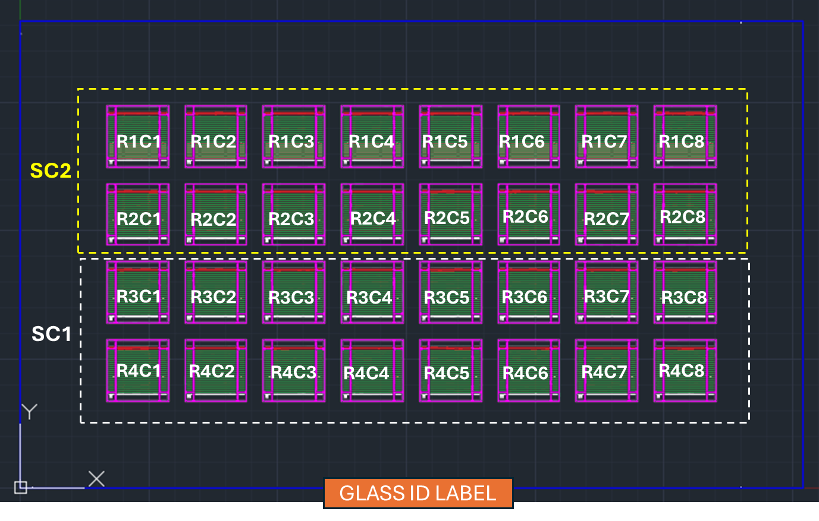
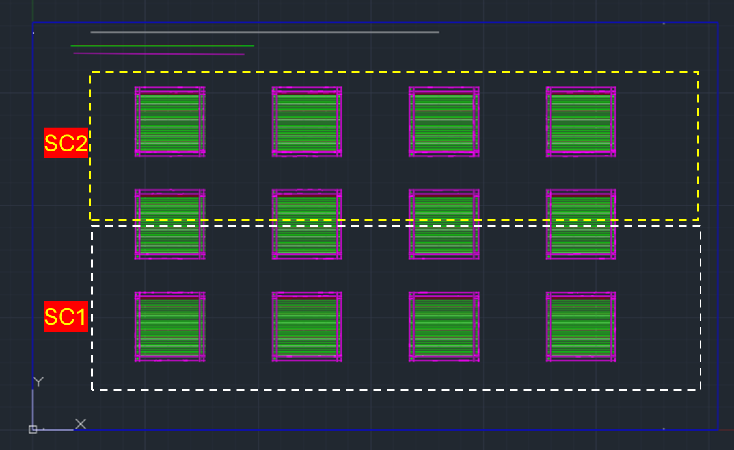
 | FOR EVERY MODULE RUN - FULL MODULE- RANDOMLY CHECK 05 CELLS for ISOLATION MEASUREMENTS
 | FOR EVERY SUB-MODULE RUN- RANDOMLY CHECK 05 CELLS for 01 submodule (SC1) and 01 submodule (SC2) for ISOLATION MEASUREMENTS |  |  |  |  |  |  |  |  |  |  |  | Design Type | Module Number
 |  |  |  |  |  |  |  |  |  |  |  |  | F1_R3C4 | R1C1 | R2C1 | R3C1
 | Design Type | Module Number |  | Design Type F1_R4C8 and F1_R4C8V1- Module Number |  |  |  |  |  |  |  |  | F1_R3C4V1 | R1C2 | R2C2 | R3C2
 | F1M2 | 1900-01-01 |  | R1C1 | R2C1 | R3C1 | R4C1 |  |  |  |  |  |  | R1C3 | R2C3 | R3C3
 | F1M1 | 1900-01-01 |  | R1C2 | R2C2 | R3C2 | R4C2 |  |  |  |  |  |  | R1C4 | R2C4 | R3C4
 | F1M2R1 | 1900-01-01 |  | R1C3 | R2C3 | R3C3 | R4C3
 | F1M1R1 | 1900-01-01 |  | R1C4 | R2C4 | R3C4 | R4C4
 | Units for Resistance | Ohms | Ω | R1C5 | R2C5 | R3C5 | R4C5
 |  | Kilo Ohms | kΩ | R1C6 | R2C6 | R3C6 | R4C6
 |  | Mega Ohms | MΩ | R1C7 | R2C7 | R3C7 | R4C7
 |  | Open Load | OL | R1C8 | R2C8 | R3C8 | R4C8
 | Quality Control- Cells Isolation Checks after P1 scribe - P1 Rsh > 25kΩ∙cm (10kΩ@w=2m) OR P1 Rsh> 0.5 MΩ (or OL)

 | Operators | Date | Laser Tool | Glass ID | Glass Vendor (JinJing OR Cardinal) | DESIGN TYPE | Module Number | Resistance within one subcell (Ω) | Measurement Count | Resistance across P1 scribe ( Ω / kΩ /MΩ / OL) | Notes | Column1
EXAMPLE | Mason/Anna | 2024-10-29 | CX01 | D1-0000-0109 | JinJing | F1M2 | 1 | 7.5 | 1 | OL

 | Anna/Jimmy/Quincy/Richard | 2024-11-20 | CX01 | unscribed D1-xxx | Cardinal | F1M2 | 1 | 58 | 1 | OL
 | Anna/Jimmy/Quincy/Richard | 2024-11-20 | CX01 | unscribed D1-xxx | Cardinal | F1M2 | 1 | 58 | 1 | OL
 | Anna/Jimmy/Quincy/Richard | 2024-11-20 | CX01 | unscribed D1-xxx | Cardinal | F1M2 | 1 | 58 | 1 | OL
 | Anna/Jimmy/Quincy/Richard | 2024-11-20 | CX01 | unscribed D1-xxx | Cardinal | F1M2 | 1 | 58 | 1 | OL
 | Anna/Jimmy/Quincy/Richard | 2024-11-20 | CX01 | unscribed D1-xxx | Cardinal | F1M2 | 1 | 58 | 1 | OL

 | Jimmy/Anna | 2024-11-21 | cx01 | D1-0000-0192 | cardinal | F1M2R1 | 1 | 42Ω | 1 | 10MΩ | Red Multimeter used
 | Jimmy/Anna | 2024-11-21 | cx01 | D1-0000-0192 | cardinal | F1M2R1 | 1 | 42Ω | 2 | 10MΩ | Red Multimeter used
 | Jimmy/Anna | 2024-11-21 | cx01 | D1-0000-0192 | cardinal | F1M2R1 | 1 | 42Ω | 3 | 10MΩ | Red Multimeter used
 | Jimmy/Anna | 2024-11-21 | cx01 | D1-0000-0192 | cardinal | F1M2R1 | 1 | 42Ω | 4 | 15 MΩ | Red Multimeter used
 | Jimmy/Anna | 2024-11-21 | cx01 | D1-0000-0192 | cardinal | F1M2R1 | 1 | 42Ω | 5 | 7MΩ | Red Multimeter used

 | Jimmy/Anna | 2024-11-21 | cx01 | D1-0000-0193 | cardinal | F1M2R1 | 2 | 62 | 1 | 16 M | Red Multimeter used
 | Jimmy/Anna | 2024-11-21 | cx01 | D1-0000-0193 | cardinal | F1M2R1 | 2 | 62 | 2 | 17 M | Red Multimeter used
 | Jimmy/Anna | 2024-11-21 | cx01 | D1-0000-0193 | cardinal | F1M2R1 | 2 | 62 | 3 | 13 M | Red Multimeter used
 | Jimmy/Anna | 2024-11-21 | cx01 | D1-0000-0193 | cardinal | F1M2R1 | 2 | 62 | 4 | 17 M | Red Multimeter used
 | Jimmy/Anna | 2024-11-21 | cx01 | D1-0000-0193 | cardinal | F1M2R1 | 2 | 62 | 5 | 14 M | Red Multimeter used

 | Jimmy/Anna | 2024-11-21 | cx01 | D1-0000-0188 | cardinal | F1M2R1 | 3 | 71 Ω | 1 | 10MΩ | Red Multimeter used
 | Jimmy/Anna | 2024-11-21 | cx01 | D1-0000-0188 | cardinal | F1M2R1 | 3 | 71 Ω | 2 | 10MΩ | Red Multimeter used
 | Jimmy/Anna | 2024-11-21 | cx01 | D1-0000-0188 | cardinal | F1M2R1 | 3 | 71 Ω | 3 | 10MΩ | Red Multimeter used
 | Jimmy/Anna | 2024-11-21 | cx01 | D1-0000-0188 | cardinal | F1M2R1 | 3 | 71 Ω | 4 | 10MΩ | Red Multimeter used
 | Jimmy/Anna | 2024-11-21 | cx01 | D1-0000-0188 | cardinal | F1M2R1 | 3 | 71 Ω | 5 | 10MΩ | Red Multimeter used

 | Jimmy/Anna | 2024-11-21 | cx01 | D1-0000-0187 | cardinal | F1M2 | 4 | 97 Ω | 1 | 10MΩ
 | Jimmy/Anna | 2024-11-21 | cx01 | D1-0000-0187 | cardinal | F1M2 | 4 | 97 Ω | 2 | 15M
 | Jimmy/Anna | 2024-11-21 | cx01 | D1-0000-0187 | cardinal | F1M2 | 4 | 97 Ω | 3 | 25M
 | Jimmy/Anna | 2024-11-21 | cx01 | D1-0000-0187 | cardinal | F1M2 | 4 | 97 Ω | 4 | 20M
 | Jimmy/Anna | 2024-11-21 | cx01 | D1-0000-0187 | cardinal | F1M2 | 4 | 97 Ω | 5 | 20M

 | Jimmy/Anna | 2024-11-21 | cx01 | D1-0000-0195 | cardinal | F1M2 | 5 | 75 Ω | 1 | 25 M
 | Jimmy/Anna | 2024-11-21 | cx01 | D1-0000-0195 | cardinal | F1M2 | 5 | 75 Ω | 2 | 20 M
 | Jimmy/Anna | 2024-11-21 | cx01 | D1-0000-0195 | cardinal | F1M2 | 5 | 75 Ω | 3 | 20 M
 | Jimmy/Anna | 2024-11-21 | cx01 | D1-0000-0195 | cardinal | F1M2 | 5 | 75 Ω | 4 | 15 MΩ
 | Jimmy/Anna | 2024-11-21 | cx01 | D1-0000-0195 | cardinal | F1M2 | 5 | 75 Ω | 5 | 15 MΩ

 | Jimmy/Anna | 2024-11-21 | CX01 | D1-0000-0209 | CARDINAL | F1M2 | 6 |  | 1
 | Jimmy/Anna | 2024-11-21 | CX01 | D1-0000-0209 | CARDINAL | F1M2 | 6 |  | 2
 | Jimmy/Anna | 2024-11-21 | CX01 | D1-0000-0209 | CARDINAL | F1M2 | 6 |  | 3
 | Jimmy/Anna | 2024-11-21 | CX01 | D1-0000-0209 | CARDINAL | F1M2 | 6 |  | 4
 | Jimmy/Anna | 2024-11-21 | CX01 | D1-0000-0209 | CARDINAL | F1M2 | 6 |  | 5

 | Jimmy/Anna | 2024-11-21 | CX01 | D1-0000-0208 | CARDINAL | F1M2R2 | 7 |  | 1
 | Jimmy/Anna | 2024-11-21 | CX01 | D1-0000-0208 | CARDINAL | F1M2R2 | 7 |  | 2
 | Jimmy/Anna | 2024-11-21 | CX01 | D1-0000-0208 | CARDINAL | F1M2R2 | 7 |  | 3
 | Jimmy/Anna | 2024-11-21 | CX01 | D1-0000-0208 | CARDINAL | F1M2R2 | 7 |  | 4
 | Jimmy/Anna | 2024-11-21 | CX01 | D1-0000-0208 | CARDINAL | F1M2R2 | 7 |  | 5

 | QUINCY / RICHARD | 2024-11-22 | CX01 | D1 - 217 | CARDINAL | F1M2 | 1 | 136 | 1 | OL | Red Multimeter used
 | QUINCY / RICHARD | 2024-11-22 | CX01 | D1 - 217 | CARDINAL | F1M2 | 1 | 136 | 2 | OL | Red Multimeter used
 | QUINCY / RICHARD | 2024-11-22 | CX01 | D1 - 217 | CARDINAL | F1M2 | 1 | 136 | 3 | OL | Red Multimeter used
 | QUINCY / RICHARD | 2024-11-22 | CX01 | D1 - 217 | CARDINAL | F1M2 | 1 | 136 | 4 | OL | Red Multimeter used
 | QUINCY / RICHARD | 2024-11-22 | CX01 | D1 - 217 | CARDINAL | F1M2 | 1 | 136 | 5 | OL | Red Multimeter used

 | QUINCY / RICHARD | 2024-11-22 | CX01 | D1 - 220 | CARDINAL | F1M2 | 1 | 151 | 1 | OL | Red Multimeter used
 | QUINCY / RICHARD | 2024-11-22 | CX01 | D1 - 220 | CARDINAL | F1M2 | 1 | 151 | 2 | OL | Red Multimeter used
 | QUINCY / RICHARD | 2024-11-22 | CX01 | D1 - 220 | CARDINAL | F1M2 | 1 | 151 | 3 | OL | Red Multimeter used
 | QUINCY / RICHARD | 2024-11-22 | CX01 | D1 - 220 | CARDINAL | F1M2 | 1 | 151 | 4 | OL | Red Multimeter used
 | QUINCY / RICHARD | 2024-11-22 | CX01 | D1 - 220 | CARDINAL | F1M2 | 1 | 151 | 5 | OL | Red Multimeter used

 | QUINCY / RICHARD | 2024-11-22 | CX01 | D1 - 222 | CARDINAL | F1M2 | 1 | 181 | 1 | 165MΩ | Red Multimeter used
 | QUINCY / RICHARD | 2024-11-22 | CX01 | D1 - 222 | CARDINAL | F1M2 | 1 | 181 | 2 | 171MΩ | Red Multimeter used
 | QUINCY / RICHARD | 2024-11-22 | CX01 | D1 - 222 | CARDINAL | F1M2 | 1 | 181 | 3 | 178MΩ | Red Multimeter used
 | QUINCY / RICHARD | 2024-11-22 | CX01 | D1 - 222 | CARDINAL | F1M2 | 1 | 181 | 4 | 185MΩ | Red Multimeter used
 | QUINCY / RICHARD | 2024-11-22 | CX01 | D1 - 222 | CARDINAL | F1M2 | 1 | 181 | 5 | 198MΩ | Red Multimeter used

 | QUINCY / RICHARD | 2024-11-22 | CX01 | D1 - 223 | CARDINAL | R4C8 | 4 | 75Ω | 1 | OL | Red Multimeter used
 | QUINCY / RICHARD | 2024-11-22 | CX01 | D1 - 223 | CARDINAL | R4C8 | 4 | 71Ω | 2 | OL | Red Multimeter used
 | QUINCY / RICHARD | 2024-11-22 | CX01 | D1 - 223 | CARDINAL | R4C8 | 4 | 57Ω | 3 | OL | Red Multimeter used
 | QUINCY / RICHARD | 2024-11-22 | CX01 | D1 - 223 | CARDINAL | R4C8 | 4 | 63Ω | 4 | OL | Red Multimeter used
 | QUINCY / RICHARD | 2024-11-22 | CX01 | D1 - 223 | CARDINAL | R4C8 | 4 | 55Ω | 5 | OL | Red Multimeter used

 | QUINCY / RICHARD | 2024-11-22 | CX01 | D1 - 224 | CARDINAL | R4C8 | 5 | 155Ω | 1 | OL | Red Multimeter used
 | QUINCY / RICHARD | 2024-11-22 | CX01 | D1 - 224 | CARDINAL | R4C8 | 5 | 171Ω | 2 | OL | Red Multimeter used
 | QUINCY / RICHARD | 2024-11-22 | CX01 | D1 - 224 | CARDINAL | R4C8 | 5 | 220Ω | 3 | OL | Red Multimeter used
 | QUINCY / RICHARD | 2024-11-22 | CX01 | D1 - 224 | CARDINAL | R4C8 | 5 | 104Ω | 4 | OL | Red Multimeter used
 | QUINCY / RICHARD | 2024-11-22 | CX01 | D1 - 224 | CARDINAL | R4C8 | 5 | 93Ω | 5 | OL | Red Multimeter used

 | QUINCY / RICHARD | 2024-11-23 | CX01 | D1 - 226 | CARDINAL | F1M2R1 | 1 | 84Ω | 1 | OL | Red Multimeter used
 | QUINCY / RICHARD | 2024-11-23 | CX01 | D1 - 226 | CARDINAL | F1M2R1 | 1 | 84Ω | 2 | OL | Red Multimeter used
 | QUINCY / RICHARD | 2024-11-23 | CX01 | D1 - 226 | CARDINAL | F1M2R1 | 1 | 84Ω | 3 | OL | Red Multimeter used
 | QUINCY / RICHARD | 2024-11-23 | CX01 | D1 - 226 | CARDINAL | F1M2R1 | 1 | 84Ω | 4 | OL | Red Multimeter used
 | QUINCY / RICHARD | 2024-11-23 | CX01 | D1 - 226 | CARDINAL | F1M2R1 | 1 | 84Ω | 5 | OL | Red Multimeter used

 | QUINCY / RICHARD | 2024-11-23 | CX01 | D1 - 227 | CARDINAL | F1M2R1 | 2 | 242Ω | 1 | OL | Red Multimeter used
 | QUINCY / RICHARD | 2024-11-23 | CX01 | D1 - 227 | CARDINAL | F1M2R1 | 2 | 242Ω | 2 | OL | Red Multimeter used
 | QUINCY / RICHARD | 2024-11-23 | CX01 | D1 - 227 | CARDINAL | F1M2R1 | 2 | 242Ω | 3 | OL | Red Multimeter used
 | QUINCY / RICHARD | 2024-11-23 | CX01 | D1 - 227 | CARDINAL | F1M2R1 | 2 | 242Ω | 4 | OL | Red Multimeter used
 | QUINCY / RICHARD | 2024-11-23 | CX01 | D1 - 227 | CARDINAL | F1M2R1 | 2 | 242Ω | 5 | OL | Red Multimeter used

 | QUINCY / RICHARD | 2024-11-23 | CX01 | D1 - 228 | CARDINAL | F1M2R1 | 3 | 66Ω | 1 | OL | Red Multimeter used
 | QUINCY / RICHARD | 2024-11-23 | CX01 | D1 - 228 | CARDINAL | F1M2R1 | 3 | 66Ω | 2 | OL | Red Multimeter used
 | QUINCY / RICHARD | 2024-11-23 | CX01 | D1 - 228 | CARDINAL | F1M2R1 | 3 | 66Ω | 3 | OL | Red Multimeter used
 | QUINCY / RICHARD | 2024-11-23 | CX01 | D1 - 228 | CARDINAL | F1M2R1 | 3 | 66Ω | 4 | OL | Red Multimeter used
 | QUINCY / RICHARD | 2024-11-23 | CX01 | D1 - 228 | CARDINAL | F1M2R1 | 3 | 66Ω | 5 | OL | Red Multimeter used

 | QUINCY / RICHARD | 2024-11-23 | CX01 | D1 - 229 | CARDINAL | F1M2 | 4 | 99Ω | 1 | 63MΩ | Red Multimeter used
 | QUINCY / RICHARD | 2024-11-23 | CX01 | D1 - 229 | CARDINAL | F1M2 | 4 | 99Ω | 2 | 63MΩ | Red Multimeter used
 | QUINCY / RICHARD | 2024-11-23 | CX01 | D1 - 229 | CARDINAL | F1M2 | 4 | 99Ω | 3 | 63MΩ | Red Multimeter used
 | QUINCY / RICHARD | 2024-11-23 | CX01 | D1 - 229 | CARDINAL | F1M2 | 4 | 99Ω | 4 | 63MΩ | Red Multimeter used
 | QUINCY / RICHARD | 2024-11-23 | CX01 | D1 - 229 | CARDINAL | F1M2 | 4 | 99Ω | 5 | 63MΩ | Red Multimeter used

 | QUINCY / RICHARD | 2024-11-23 | CX01 | D1 - 230 | CARDINAL | F1M2 | 5 | 294Ω | 1 | 1.258MΩ | Red Multimeter used
 | QUINCY / RICHARD | 2024-11-23 | CX01 | D1 - 230 | CARDINAL | F1M2 | 5 | 294Ω | 2 | 1.258MΩ | Red Multimeter used
 | QUINCY / RICHARD | 2024-11-23 | CX01 | D1 - 230 | CARDINAL | F1M2 | 5 | 294Ω | 3 | 1.258MΩ | Red Multimeter used
 | QUINCY / RICHARD | 2024-11-23 | CX01 | D1 - 230 | CARDINAL | F1M2 | 5 | 294Ω | 4 | 1.258MΩ | Red Multimeter used
 | QUINCY / RICHARD | 2024-11-23 | CX01 | D1 - 230 | CARDINAL | F1M2 | 5 | 294Ω | 5 | 1.258MΩ | Red Multimeter used

 | QUINCY / RICHARD | 2024-11-23 | CX01 | D1 - 215 | CARDINAL | F1M2 | 6 | 217Ω | 1 | 1.785MΩ | Red Multimeter used
 | QUINCY / RICHARD | 2024-11-23 | CX01 | D1 - 215 | CARDINAL | F1M2 | 6 | 217Ω | 2 | 1.785MΩ | Red Multimeter used
 | QUINCY / RICHARD | 2024-11-23 | CX01 | D1 - 215 | CARDINAL | F1M2 | 6 | 217Ω | 3 | 1.785MΩ | Red Multimeter used
 | QUINCY / RICHARD | 2024-11-23 | CX01 | D1 - 215 | CARDINAL | F1M2 | 6 | 217Ω | 4 | 1.785MΩ | Red Multimeter used
 | QUINCY / RICHARD | 2024-11-23 | CX01 | D1 - 215 | CARDINAL | F1M2 | 6 | 217Ω | 5 | 1.785MΩ | Red Multimeter used

 | Mason/Richard | 2024-11-27 | CX01 | D1 - 212 (rejected) | CARDINAL | R4C8 | N/A | 14Ω | 1 | OL | Fluke Multimeter Used
 | Mason/Richard | 2024-11-27 | CX01 | D1 - 212 (rejected) | CARDINAL | R4C8 | N/A | 18Ω | 2 | OL | Fluke Multimeter Used
 | Mason/Richard | 2024-11-27 | CX01 | D1 - 212 (rejected) | CARDINAL | R4C8 | N/A | 24Ω | 3 | OL | Fluke Multimeter Used
 | Mason/Richard | 2024-11-27 | CX01 | D1 - 212 (rejected) | CARDINAL | R4C8 | N/A | 13Ω | 4 | OL | Fluke Multimeter Used
 | Mason/Richard | 2024-11-27 | CX01 | D1 - 212 (rejected) | CARDINAL | R4C8 | N/A | 15Ω | 5 | OL | Fluke Multimeter Used

 | Mason/Richard | 2024-11-27 | CX01 | D1 - 212 (rejected) | CARDINAL | F1M2 | N/A |  | 1 | OL | Fluke Multimeter Used
 | Mason/Richard | 2024-11-27 | CX01 | D1 - 212 (rejected) | CARDINAL | F1M2 | N/A |  | 2 | OL | Fluke Multimeter Used
 | Mason/Richard | 2024-11-27 | CX01 | D1 - 212 (rejected) | CARDINAL | F1M2 | N/A |  | 3 | OL | Fluke Multimeter Used
 | Mason/Richard | 2024-11-27 | CX01 | D1 - 212 (rejected) | CARDINAL | F1M2 | N/A |  | 4 | OL | Fluke Multimeter Used
 | Mason/Richard | 2024-11-27 | CX01 | D1 - 212 (rejected) | CARDINAL | F1M2 | N/A |  | 5 | OL | Fluke Multimeter Used

 | Richard/Quincy | 2024-11-27 | CX01 | D1 - 231 | CARDINAL | F1M2 | 1 | 40Ω | 1 | 2.01MΩ | Red Multimeter Used
 | Richard/Quincy | 2024-11-27 | CX01 | D1 - 231 | CARDINAL | F1M2 | 1 | 192Ω | 2 | 1.11MΩ | Red Multimeter Used
 | Richard/Quincy | 2024-11-27 | CX01 | D1 - 231 | CARDINAL | F1M2 | 1 | 280Ω | 3 | 2.30MΩ | Red Multimeter Used
 | Richard/Quincy | 2024-11-27 | CX01 | D1 - 231 | CARDINAL | F1M2 | 1 | 78Ω | 4 | 2.27MΩ | Red Multimeter Used
 | Richard/Quincy | 2024-11-27 | CX01 | D1 - 231 | CARDINAL | F1M2 | 1 | 228Ω | 5 | 2.08MΩ | Red Multimeter Used

 | Quincy | 2024-11-27 | CX01 | D1 - 232 | CARDINAL | C_F1_R4C8 | 2 | 56.03Ω | 1 | 5.7MΩ | Red Multimeter Used
 | Quincy | 2024-11-27 | CX01 | D1 - 232 | CARDINAL | C_F1_R4C8 | 2 | 47.08Ω | 2 | 5.8MΩ | Red Multimeter Used
 | Quincy | 2024-11-27 | CX01 | D1 - 232 | CARDINAL | C_F1_R4C8 | 2 | 44.4Ω | 3 | 5.74MΩ | Red Multimeter Used
 | Quincy | 2024-11-27 | CX01 | D1 - 232 | CARDINAL | C_F1_R4C8 | 2 | 2.68KΩ | 4 | 5.9MΩ | Red Multimeter Used
 | Quincy | 2024-11-27 | CX01 | D1 - 232 | CARDINAL | C_F1_R4C8 | 2 | 69.9KΩ | 5 | 1.2MΩ | Red Multimeter Used

 | Quincy | 2024-11-27 | CX01 | D1 - 233 | CARDINAL | C_F1_R4C8 | 3 | 0.889kΩ | 1 | 6.84MΩ | Red Multimeter Used
 | Quincy | 2024-11-27 | CX01 | D1 - 233 | CARDINAL | C_F1_R4C8 | 3 | 5.91MΩ | 2 | 5.76MΩ | Red Multimeter Used
 | Quincy | 2024-11-27 | CX01 | D1 - 233 | CARDINAL | C_F1_R4C8 | 3 | 5.7MΩ | 3 | 5.81MΩ | Red Multimeter Used
 | Quincy | 2024-11-27 | CX01 | D1 - 233 | CARDINAL | C_F1_R4C8 | 3 | 4.91MΩ | 4 | 6.92MΩ | Red Multimeter Used
 | Quincy | 2024-11-27 | CX01 | D1 - 233 | CARDINAL | C_F1_R4C8 | 3 | 6.72MΩ | 5 | 10.02MΩ | Red Multimeter Used

 | Quincy | 2024-11-27 | CX01 | D1 - 234 | CARDINAL | C_F1_R4C8 | 4 | 226.5Ω | 1 | 10.5MΩ | Red Multimeter Used
 | Quincy | 2024-11-27 | CX01 | D1 - 234 | CARDINAL | C_F1_R4C8 | 4 | 82.5Ω | 2 | 8.9MΩ | Red Multimeter Used
 | Quincy | 2024-11-27 | CX01 | D1 - 234 | CARDINAL | C_F1_R4C8 | 4 | 0.479KΩ | 3 | 4.7MΩ | Red Multimeter Used
 | Quincy | 2024-11-27 | CX01 | D1 - 234 | CARDINAL | C_F1_R4C8 | 4 | 0.65KΩ | 4 | 4.9MΩ | Red Multimeter Used
 | Quincy | 2024-11-27 | CX01 | D1 - 234 | CARDINAL | C_F1_R4C8 | 4 | 33.2Ω | 5 | 4.89MΩ | Red Multimeter Used

 | Quincy | 2024-11-27 | CX01 | D1 - 235 | CARDINAL | C_F1_R4C8 | 5 | 91.2Ω | 1 | 7.36MΩ | Red Multimeter Used
 | Quincy | 2024-11-27 | CX01 | D1 - 235 | CARDINAL | C_F1_R4C8 | 5 | 35.7Ω | 2 | 6.30MΩ | Red Multimeter Used
 | Quincy | 2024-11-27 | CX01 | D1 - 235 | CARDINAL | C_F1_R4C8 | 5 | 36.4Ω | 3 | 10.41Ω | Red Multimeter Used
 | Quincy | 2024-11-27 | CX01 | D1 - 235 | CARDINAL | C_F1_R4C8 | 5 | 240.1Ω | 4 | 15.11MΩ | Red Multimeter Used
 | Quincy | 2024-11-27 | CX01 | D1 - 235 | CARDINAL | C_F1_R4C8 | 5 | 126.7Ω | 5 | 11.84MΩ | Red Multimeter Used

 | Quincy | 2024-11-27 | CX01 | D1 - 236 | CARDINAL | C_F1_R4C8 | 6 | 102.4MΩ | 1 | 11.10MΩ | Red Multimeter Used
 | Quincy | 2024-11-27 | CX01 | D1 - 236 | CARDINAL | C_F1_R4C8 | 6 | 0.486MΩ | 2 | 8.96MΩ | Red Multimeter Used
 | Quincy | 2024-11-27 | CX01 | D1 - 236 | CARDINAL | C_F1_R4C8 | 6 | 90.2Ω | 3 | 7.99MΩ | Red Multimeter Used
 | Quincy | 2024-11-27 | CX01 | D1 - 236 | CARDINAL | C_F1_R4C8 | 6 | 114.8Ω | 4 | 14.40MΩ | Red Multimeter Used
 | Quincy | 2024-11-27 | CX01 | D1 - 236 | CARDINAL | C_F1_R4C8 | 6 | 13.60MΩ | 5 | 8.71MΩ | Red Multimeter Used

 | Anna/Jimmy | 2024-11-30 | CX01 | D1-0238 | JING JING | F1M2 | 1 | 49 Ω | 1 | 22.5 MΩ | Red Multimeter Used
 | Anna/Jimmy | 2024-11-30 | CX01 | D1-0238 | JING JING | F1M2 | 1 | 49 Ω | 2 | 23.4 MΩ | Red Multimeter Used
 | Anna/Jimmy | 2024-11-30 | CX01 | D1-0238 | JING JING | F1M2 | 1 | 49 Ω | 3 | OL | Red Multimeter Used
 | Anna/Jimmy | 2024-11-30 | CX01 | D1-0238 | JING JING | F1M2 | 1 | 49 Ω | 4 | OL | Red Multimeter Used
 | Anna/Jimmy | 2024-11-30 | CX01 | D1-0238 | JING JING | F1M2 | 1 | 49 Ω | 5 | OL | Red Multimeter Used

 | Anna/Jimmy | 2024-11-30 | CX01 | D1-0239 | JING JING | F1M2 | 2 | 45 Ω | 1 | OL | Red Multimeter Used
 | Anna/Jimmy | 2024-11-30 | CX01 | D1-0239 | JING JING | F1M2 | 2 | 45 Ω | 2 | 10 MΩ | Red Multimeter Used
 | Anna/Jimmy | 2024-11-30 | CX01 | D1-0239 | JING JING | F1M2 | 2 | 45 Ω | 3 | 8.79 MΩ | Red Multimeter Used
 | Anna/Jimmy | 2024-11-30 | CX01 | D1-0239 | JING JING | F1M2 | 2 | 45 Ω | 4 | OL | Red Multimeter Used
 | Anna/Jimmy | 2024-11-30 | CX01 | D1-0239 | JING JING | F1M2 | 2 | 45 Ω | 5 | OL | Red Multimeter Used

 | Anna/Jimmy | 2024-11-30 | CX01 | D1-0240 | JING JING | JJ_F1_R4C8 | 3 | 40 Ω | 1 | OL | Red Multimeter Used
 | Anna/Jimmy | 2024-11-30 | CX01 | D1-0240 | JING JING | JJ_F1_R4C8 | 3 | 40 Ω | 2 | OL | Red Multimeter Used
 | Anna/Jimmy | 2024-11-30 | CX01 | D1-0240 | JING JING | JJ_F1_R4C8 | 3 | 40 Ω | 3 | OL | Red Multimeter Used
 | Anna/Jimmy | 2024-11-30 | CX01 | D1-0240 | JING JING | JJ_F1_R4C8 | 3 | 40 Ω | 4 | .OL | Red Multimeter Used
 | Anna/Jimmy | 2024-11-30 | CX01 | D1-0240 | JING JING | JJ_F1_R4C8 | 3 | 40 Ω | 5 | OL | Red Multimeter Used

 | Anna/Jimmy | 2024-11-30 | CX01 | D1-0237 | JING JING | JJ_F1_R4C8 | 4 | 48 Ω | 1 | OL | Red Multimeter Used
 | Anna/Jimmy | 2024-11-30 | CX01 | D1-0237 | JING JING | JJ_F1_R4C8 | 4 | 48 Ω | 2 | OL | Red Multimeter Used
 | Anna/Jimmy | 2024-11-30 | CX01 | D1-0237 | JING JING | JJ_F1_R4C8 | 4 | 48 Ω | 3 | OL | Red Multimeter Used
 | Anna/Jimmy | 2024-11-30 | CX01 | D1-0237 | JING JING | JJ_F1_R4C8 | 4 | 48 Ω | 4 | OL | Red Multimeter Used
 | Anna/Jimmy | 2024-11-30 | CX01 | D1-0237 | JING JING | JJ_F1_R4C8 | 4 | 48 Ω | 5 | OL | Red Multimeter Used

 | Anna/Jimmy | 2024-12-01 | CX01 | D1-0187 | CARDINAL | F1M2R1 | 1 | 140 Ω | 1 | OL | Red Multimeter Used / Aged P1 NiOx
 | Anna/Jimmy | 2024-12-01 | CX01 | D1-0187 | CARDINAL | F1M2R1 | 1 | 140 Ω | 2 | OL | Red Multimeter Used / Aged P1 NiOx
 | Anna/Jimmy | 2024-12-01 | CX01 | D1-0187 | CARDINAL | F1M2R1 | 1 | 140 Ω | 3 | OL | Red Multimeter Used / Aged P1 NiOx
 | Anna/Jimmy | 2024-12-01 | CX01 | D1-0187 | CARDINAL | F1M2R1 | 1 | 140 Ω | 4 | OL | Red Multimeter Used / Aged P1 NiOx
 | Anna/Jimmy | 2024-12-01 | CX01 | D1-0187 | CARDINAL | F1M2R1 | 1 | 140 Ω | 5 | OL | Red Multimeter Used / Aged P1 NiOx

 | Anna/Jimmy | 2024-12-01 | CX01 | D1-0195 | CARDINAL | F1M2R1 | 2 | 93 Ω | 1 | OL | Red Multimeter Used / Aged P1 NiOx
 | Anna/Jimmy | 2024-12-01 | CX01 | D1-0195 | CARDINAL | F1M2R1 | 2 | 93 Ω | 2 | OL | Red Multimeter Used / Aged P1 NiOx
 | Anna/Jimmy | 2024-12-01 | CX01 | D1-0195 | CARDINAL | F1M2R1 | 2 | 93 Ω | 3 | OL | Red Multimeter Used / Aged P1 NiOx
 | Anna/Jimmy | 2024-12-01 | CX01 | D1-0195 | CARDINAL | F1M2R1 | 2 | 93 Ω | 4 | OL | Red Multimeter Used / Aged P1 NiOx
 | Anna/Jimmy | 2024-12-01 | CX01 | D1-0195 | CARDINAL | F1M2R1 | 2 | 93 Ω | 5 | OL | Red Multimeter Used / Aged P1 NiOx

 | Anna/Jimmy | 2024-12-01 | CX01 | D1-0188 | CARDINAL | F1M2R1 | 3 | 120 | 1 | OL | Red Multimeter Used / Aged P1 NiOx / Ran Through Washer
 | Anna/Jimmy | 2024-12-01 | CX01 | D1-0188 | CARDINAL | F1M2R1 | 3 | 120 | 2 | OL | Red Multimeter Used / Aged P1 NiOx / Ran Through Washer
 | Anna/Jimmy | 2024-12-01 | CX01 | D1-0188 | CARDINAL | F1M2R1 | 3 | 120 | 3 | OL | Red Multimeter Used / Aged P1 NiOx / Ran Through Washer
 | Anna/Jimmy | 2024-12-01 | CX01 | D1-0188 | CARDINAL | F1M2R1 | 3 | 120 | 4 | OL | Red Multimeter Used / Aged P1 NiOx / Ran Through Washer
 | Anna/Jimmy | 2024-12-01 | CX01 | D1-0188 | CARDINAL | F1M2R1 | 3 | 120 | 5 | OL | Red Multimeter Used / Aged P1 NiOx / Ran Through Washer

 | Anna/Jimmy | 2024-12-01 | CX01 | D1-0209 | CARDINAL | F1M2R1 | 4 | 220 Ω | 1 | 20M Ω | Red Multimeter Used
 | Anna/Jimmy | 2024-12-01 | CX01 | D1-0209 | CARDINAL | F1M2R1 | 4 | 220 Ω | 2 | 19M Ω | Red Multimeter Used
 | Anna/Jimmy | 2024-12-01 | CX01 | D1-0209 | CARDINAL | F1M2R1 | 4 | 220 Ω | 3 | 25M Ω | Red Multimeter Used
 | Anna/Jimmy | 2024-12-01 | CX01 | D1-0209 | CARDINAL | F1M2R1 | 4 | 220 Ω | 4 | 22M Ω | Red Multimeter Used
 | Anna/Jimmy | 2024-12-01 | CX01 | D1-0209 | CARDINAL | F1M2R1 | 4 | 220 Ω | 5 | 18M Ω | Red Multimeter Used

 | Anna/Jimmy | 2024-12-01 | CX01 | D1-0158 | CARDINAL | F1M2R1 | 5 | 215 Ω | 1 | 5M Ω | Red Multimeter Used
 | Anna/Jimmy | 2024-12-01 | CX01 | D1-0158 | CARDINAL | F1M2R1 | 5 | 215 Ω | 2 | 3M Ω | Red Multimeter Used
 | Anna/Jimmy | 2024-12-01 | CX01 | D1-0158 | CARDINAL | F1M2R1 | 5 | 215 Ω | 3 | 6M Ω | Red Multimeter Used
 | Anna/Jimmy | 2024-12-01 | CX01 | D1-0158 | CARDINAL | F1M2R1 | 5 | 215 Ω | 4 | 5M Ω | Red Multimeter Used
 | Anna/Jimmy | 2024-12-01 | CX01 | D1-0158 | CARDINAL | F1M2R1 | 5 | 215 Ω | 5 | 4M Ω | Red Multimeter Used

 | Anna/Jimmy | 2024-12-01 | CX01 | D1-0219 | CARDINAL | F1M2R1 | 6 | 230 Ω | 1 | 10M Ω | Red Multimeter Used
 | Anna/Jimmy | 2024-12-01 | CX01 | D1-0219 | CARDINAL | F1M2R1 | 6 | 230 Ω | 2 | 12M Ω | Red Multimeter Used
 | Anna/Jimmy | 2024-12-01 | CX01 | D1-0219 | CARDINAL | F1M2R1 | 6 | 230 Ω | 3 | 13M Ω | Red Multimeter Used
 | Anna/Jimmy | 2024-12-01 | CX01 | D1-0219 | CARDINAL | F1M2R1 | 6 | 230 Ω | 4 | 9M Ω | Red Multimeter Used
 | Anna/Jimmy | 2024-12-01 | CX01 | D1-0219 | CARDINAL | F1M2R1 | 6 | 230 Ω | 5 | 10M Ω | Red Multimeter Used

 | ANNA/JIMMY | 2024-12-04 | CX01 | D1-0249 | JING JING | F1M2 | 1 | 177 Ω | 1 | OL | FLUKE 324
 | ANNA/JIMMY | 2024-12-04 | CX01 | D1-0249 | JING JING | F1M2 | 1 | 177 Ω | 2 | OL | FLUKE 324
 | ANNA/JIMMY | 2024-12-04 | CX01 | D1-0249 | JING JING | F1M2 | 1 | 177 Ω | 3 | OL | FLUKE 324
 | ANNA/JIMMY | 2024-12-04 | CX01 | D1-0249 | JING JING | F1M2 | 1 | 177 Ω | 4 | OL | FLUKE 324
 | ANNA/JIMMY | 2024-12-04 | CX01 | D1-0249 | JING JING | F1M2 | 1 | 177 Ω | 5 | OL | FLUKE 324

 | ANNA/JIMMY | 2024-12-04 | CX01 | D1-0250 | JING JING | F1R4C8 | 2 | 341 Ω | 1 | OL | FLUKE 324
 | ANNA/JIMMY | 2024-12-04 | CX01 | D1-0250 | JING JING | F1R4C8 | 2 | 341 Ω | 2 | OL | FLUKE 324
 | ANNA/JIMMY | 2024-12-04 | CX01 | D1-0250 | JING JING | F1R4C8 | 2 | 341 Ω | 3 | OL | FLUKE 324
 | ANNA/JIMMY | 2024-12-04 | CX01 | D1-0250 | JING JING | F1R4C8 | 2 | 341 Ω | 4 | OL | FLUKE 324
 | ANNA/JIMMY | 2024-12-04 | CX01 | D1-0250 | JING JING | F1R4C8 | 2 | 341 Ω | 5 | OL | FLUKE 324

 | ANNA/JIMMY | 2024-12-04 | CX01 | D1-0251 | JING JING | F1R4C8 | 3 | 250 Ω | 1 | OL | FLUKE 324
 | ANNA/JIMMY | 2024-12-04 | CX01 | D1-0251 | JING JING | F1R4C8 | 3 | 250 Ω | 2 | OL | FLUKE 324
 | ANNA/JIMMY | 2024-12-04 | CX01 | D1-0251 | JING JING | F1R4C8 | 3 | 250 Ω | 3 | OL | FLUKE 324
 | ANNA/JIMMY | 2024-12-04 | CX01 | D1-0251 | JING JING | F1R4C8 | 3 | 250 Ω | 4 | OL | FLUKE 324
 | ANNA/JIMMY | 2024-12-04 | CX01 | D1-0251 | JING JING | F1R4C8 | 3 | 250 Ω | 5 | OL | FLUKE 324

 | ANNA/JIMMY | 2024-12-04 | CX01 | D1-0252 | JING JING | F1R4C8 | 4 | 191Ω | 1 | OL | FLUKE 324
 | ANNA/JIMMY | 2024-12-04 | CX01 | D1-0252 | JING JING | F1R4C8 | 4 | 191Ω | 2 | OL | FLUKE 324
 | ANNA/JIMMY | 2024-12-04 | CX01 | D1-0252 | JING JING | F1R4C8 | 4 | 191Ω | 3 | OL | FLUKE 324
 | ANNA/JIMMY | 2024-12-04 | CX01 | D1-0252 | JING JING | F1R4C8 | 4 | 191Ω | 4 | OL | FLUKE 324
 | ANNA/JIMMY | 2024-12-04 | CX01 | D1-0252 | JING JING | F1R4C8 | 4 | 191Ω | 5 | OL | FLUKE 324

 | ANNA/JIMMY | 2024-12-04 | CX01 | D1-0253 | JING JING | F1R4C8 | 5 | 230 Ω | 1 | OL | FLUKE 324
 | ANNA/JIMMY | 2024-12-04 | CX01 | D1-0253 | JING JING | F1R4C8 | 5 | 230 Ω | 2 | OL | FLUKE 324
 | ANNA/JIMMY | 2024-12-04 | CX01 | D1-0253 | JING JING | F1R4C8 | 5 | 230 Ω | 3 | OL | FLUKE 324
 | ANNA/JIMMY | 2024-12-04 | CX01 | D1-0253 | JING JING | F1R4C8 | 5 | 230 Ω | 4 | OL | FLUKE 324
 | ANNA/JIMMY | 2024-12-04 | CX01 | D1-0253 | JING JING | F1R4C8 | 5 | 230 Ω | 5 | OL | FLUKE 324

 | ANNA/JIMMY | 2024-12-04 | CX01 | D1-0254 | JING JING | F1R4C8 | 6 | 190 Ω | 1 | OL | FLUKE 324
 | ANNA/JIMMY | 2024-12-04 | CX01 | D1-0254 | JING JING | F1R4C8 | 6 | 190 Ω | 2 | OL | FLUKE 324
 | ANNA/JIMMY | 2024-12-04 | CX01 | D1-0254 | JING JING | F1R4C8 | 6 | 190 Ω | 3 | OL | FLUKE 324
 | ANNA/JIMMY | 2024-12-04 | CX01 | D1-0254 | JING JING | F1R4C8 | 6 | 190 Ω | 4 | OL | FLUKE 324
 | ANNA/JIMMY | 2024-12-04 | CX01 | D1-0254 | JING JING | F1R4C8 | 6 | 190 Ω | 5 | OL | FLUKE 324

 | Mason | 2024-12-06 | CX01 | D1-0255 | JING JING | F1M2 | 1 | 57 Ω | 1 | OL | FLUKE 324
 | Mason | 2024-12-06 | CX01 | D1-0255 | JING JING | F1M2 | 1 | 57 Ω | 2 | OL | FLUKE 324
 | Mason | 2024-12-06 | CX01 | D1-0255 | JING JING | F1M2 | 1 | 57 Ω | 3 | OL | FLUKE 324
 | Mason | 2024-12-06 | CX01 | D1-0255 | JING JING | F1M2 | 1 | 57 Ω | 4 | OL | FLUKE 324
 | Mason | 2024-12-06 | CX01 | D1-0255 | JING JING | F1M2 | 1 | 57 Ω | 5 | OL | FLUKE 324

 | Mason | 2024-12-06 | CX01 | D1-0256 | JING JING | F1M2 | 2 | 51 Ω | 1 | OL | FLUKE 324
 | Mason | 2024-12-06 | CX01 | D1-0256 | JING JING | F1M2 | 2 | 51 Ω | 2 | OL | FLUKE 324
 | Mason | 2024-12-06 | CX01 | D1-0256 | JING JING | F1M2 | 2 | 51 Ω | 3 | OL | FLUKE 324
 | Mason | 2024-12-06 | CX01 | D1-0256 | JING JING | F1M2 | 2 | 51 Ω | 4 | OL | FLUKE 324
 | Mason | 2024-12-06 | CX01 | D1-0256 | JING JING | F1M2 | 2 | 51 Ω | 5 | OL | FLUKE 324

 | Richard/Ariana | 2024-12-06 | CX01 | D1-0257 | JING JING | F1M2 | 3 | 109.6 Ω | 1 | OL | FLUKE 324
 | Richard/Ariana | 2024-12-06 | CX01 | D1-0257 | JING JING | F1M2 | 3 | 109.6 Ω | 2 | OL | FLUKE 324
 | Richard/Ariana | 2024-12-06 | CX01 | D1-0257 | JING JING | F1M2 | 3 | 109.6 Ω | 3 | OL | FLUKE 324
 | Richard/Ariana | 2024-12-06 | CX01 | D1-0257 | JING JING | F1M2 | 3 | 109.6 Ω | 4 | OL | FLUKE 324
 | Richard/Ariana | 2024-12-06 | CX01 | D1-0257 | JING JING | F1M2 | 3 | 109.6 Ω | 5 | OL | FLUKE 324

 | Richard/Ariana | 2024-12-06 | CX01 | D1-0258 | JING JING | F1M2 | 3 | 148.0 Ω | 1 | OL | FLUKE 324
 | Richard/Ariana | 2024-12-06 | CX01 | D1-0258 | JING JING | F1M2 | 3 | 148.0 Ω | 2 | OL | FLUKE 324
 | Richard/Ariana | 2024-12-06 | CX01 | D1-0258 | JING JING | F1M2 | 3 | 148.0 Ω | 3 | OL | FLUKE 324
 | Richard/Ariana | 2024-12-06 | CX01 | D1-0258 | JING JING | F1M2 | 3 | 148.0 Ω | 4 | OL | FLUKE 324
 | Richard/Ariana | 2024-12-06 | CX01 | D1-0258 | JING JING | F1M2 | 3 | 148.0 Ω | 5 | OL | FLUKE 324

 | Richard/Ariana | 2024-12-07 | CX01 | D1-0260 | JING JING | F1M2 | 1 | 122.0 Ω | 1 | OL | FLUKE 324
 | Richard/Ariana | 2024-12-07 | CX01 | D1-0260 | JING JING | F1M2 | 1 | 122.0 Ω | 2 | OL | FLUKE 324
 | Richard/Ariana | 2024-12-07 | CX01 | D1-0260 | JING JING | F1M2 | 1 | 122.0 Ω | 3 | OL | FLUKE 324
 | Richard/Ariana | 2024-12-07 | CX01 | D1-0260 | JING JING | F1M2 | 1 | 122.0 Ω | 4 | OL | FLUKE 324
 | Richard/Ariana | 2024-12-07 | CX01 | D1-0260 | JING JING | F1M2 | 1 | 122.0 Ω | 5 | OL | FLUKE 324

 | Richard/Ariana | 2024-12-07 | CX01 | D1-0261 | JING JING | F1M2 | 2 | 105.8 Ω | 1 | OL | FLUKE 324
 | Richard/Ariana | 2024-12-07 | CX01 | D1-0261 | JING JING | F1M2 | 2 | 105.8 Ω | 2 | OL | FLUKE 324
 | Richard/Ariana | 2024-12-07 | CX01 | D1-0261 | JING JING | F1M2 | 2 | 105.8 Ω | 3 | OL | FLUKE 324
 | Richard/Ariana | 2024-12-07 | CX01 | D1-0261 | JING JING | F1M2 | 2 | 105.8 Ω | 4 | OL | FLUKE 324
 | Richard/Ariana | 2024-12-07 | CX01 | D1-0261 | JING JING | F1M2 | 2 | 105.8 Ω | 5 | OL | FLUKE 324

 | Richard/Ariana | 2024-12-07 | CX01 | D1-0262 | JING JING | F1M2 | 3 | 107.4 Ω | 1 | OL | FLUKE 324
 | Richard/Ariana | 2024-12-07 | CX01 | D1-0262 | JING JING | F1M2 | 3 | 107.4 Ω | 2 | OL | FLUKE 324
 | Richard/Ariana | 2024-12-07 | CX01 | D1-0262 | JING JING | F1M2 | 3 | 107.4 Ω | 3 | OL | FLUKE 324
 | Richard/Ariana | 2024-12-07 | CX01 | D1-0262 | JING JING | F1M2 | 3 | 107.4 Ω | 4 | OL | FLUKE 324
 | Richard/Ariana | 2024-12-07 | CX01 | D1-0262 | JING JING | F1M2 | 3 | 107.4 Ω | 5 | OL | FLUKE 324

 | Richard/Ariana | 2024-12-07 | CX01 | D1-0263 | JING JING | F1M2 | 4 | 182.4 Ω | 1 | OL | FLUKE 324
 | Richard/Ariana | 2024-12-07 | CX01 | D1-0263 | JING JING | F1M2 | 4 | 182.4 Ω | 2 | OL | FLUKE 324
 | Richard/Ariana | 2024-12-07 | CX01 | D1-0263 | JING JING | F1M2 | 4 | 182.4 Ω | 3 | OL | FLUKE 324
 | Richard/Ariana | 2024-12-07 | CX01 | D1-0263 | JING JING | F1M2 | 4 | 182.4 Ω | 4 | OL | FLUKE 324
 | Richard/Ariana | 2024-12-07 | CX01 | D1-0263 | JING JING | F1M2 | 4 | 182.4 Ω | 5 | OL | FLUKE 324

 | Richard/Ariana | 2024-12-07 | CX01 | D1-0264 | JING JING | F1M2 | 5 | 258.6 Ω | 1 | OL | FLUKE 324
 | Richard/Ariana | 2024-12-07 | CX01 | D1-0264 | JING JING | F1M2 | 5 | 258.6 Ω | 2 | OL | FLUKE 324
 | Richard/Ariana | 2024-12-07 | CX01 | D1-0264 | JING JING | F1M2 | 5 | 258.6 Ω | 3 | OL | FLUKE 324
 | Richard/Ariana | 2024-12-07 | CX01 | D1-0264 | JING JING | F1M2 | 5 | 258.6 Ω | 4 | OL | FLUKE 324
 | Richard/Ariana | 2024-12-07 | CX01 | D1-0264 | JING JING | F1M2 | 5 | 258.6 Ω | 5 | OL | FLUKE 324

 | Richard/Arianna | 2024-12-07 | CX01 | D1-0265 | JING JING | F1M2 | 6 | 156.1 Ω | 1 | OL | FLUKE 324
 | Richard/Arianna | 2024-12-07 | CX01 | D1-0265 | JING JING | F1M2 | 6 | 156.1 Ω | 2 | OL | FLUKE 324
 | Richard/Arianna | 2024-12-07 | CX01 | D1-0265 | JING JING | F1M2 | 6 | 156.1 Ω | 3 | OL | FLUKE 324
 | Richard/Arianna | 2024-12-07 | CX01 | D1-0265 | JING JING | F1M2 | 6 | 156.1 Ω | 4 | OL | FLUKE 324
 | Richard/Arianna | 2024-12-07 | CX01 | D1-0265 | JING JING | F1M2 | 6 | 156.1 Ω | 5 | OL | FLUKE 324

 | Richard/Arianna | 2024-12-08 | CX01 | D1-0266 | JING JING | F1M2 | 1 | 129.7Ω | 1 | OL | FLUKE 324
 | Richard/Arianna | 2024-12-08 | CX01 | D1-0266 | JING JING | F1M2 | 1 | 129.7Ω | 2 | OL | FLUKE 324
 | Richard/Arianna | 2024-12-08 | CX01 | D1-0266 | JING JING | F1M2 | 1 | 129.7Ω | 3 | OL | FLUKE 324
 | Richard/Arianna | 2024-12-08 | CX01 | D1-0266 | JING JING | F1M2 | 1 | 129.7Ω | 4 | OL | FLUKE 324
 | Richard/Arianna | 2024-12-08 | CX01 | D1-0266 | JING JING | F1M2 | 1 | 129.7Ω | 5 | OL | FLUKE 324

 | Richard/Arianna | 2024-12-08 | CX01 | D1-0267 | JING JING | F1M2 | 2 | 243.5Ω | 1 | OL | FLUKE 324
 | Richard/Arianna | 2024-12-08 | CX01 | D1-0267 | JING JING | F1M2 | 2 | 243.5Ω | 2 | OL | FLUKE 324
 | Richard/Arianna | 2024-12-08 | CX01 | D1-0267 | JING JING | F1M2 | 2 | 243.5Ω | 3 | OL | FLUKE 324
 | Richard/Arianna | 2024-12-08 | CX01 | D1-0267 | JING JING | F1M2 | 2 | 243.5Ω | 4 | OL | FLUKE 324
 | Richard/Arianna | 2024-12-08 | CX01 | D1-0267 | JING JING | F1M2 | 2 | 243.5Ω | 5 | OL | FLUKE 324

 | Richard/Arianna | 2024-12-08 | CX01 | D1-0268 | JING JING | R4C8 | 3 | 283.6 Ω | 1 | OL | FLUKE 324
 | Richard/Arianna | 2024-12-08 | CX01 | D1-0268 | JING JING | R4C8 | 3 | 283.6 Ω | 2 | OL | FLUKE 324
 | Richard/Arianna | 2024-12-08 | CX01 | D1-0268 | JING JING | R4C8 | 3 | 283.6 Ω | 3 | OL | FLUKE 324
 | Richard/Arianna | 2024-12-08 | CX01 | D1-0268 | JING JING | R4C8 | 3 | 283.6 Ω | 4 | OL | FLUKE 324
 | Richard/Arianna | 2024-12-08 | CX01 | D1-0268 | JING JING | R4C8 | 3 | 283.6 Ω | 5 | OL | FLUKE 324

 | Richard/Arianna | 2024-12-08 | CX01 | D1-0269 | JING JING | R4C8 | 4 | 277.6 Ω | 1 | OL | FLUKE 324
 | Richard/Arianna | 2024-12-08 | CX01 | D1-0269 | JING JING | R4C8 | 4 | 277.6 Ω | 2 | OL | FLUKE 324
 | Richard/Arianna | 2024-12-08 | CX01 | D1-0269 | JING JING | R4C8 | 4 | 277.6 Ω | 3 | OL | FLUKE 324
 | Richard/Arianna | 2024-12-08 | CX01 | D1-0269 | JING JING | R4C8 | 4 | 277.6 Ω | 4 | OL | FLUKE 324
 | Richard/Arianna | 2024-12-08 | CX01 | D1-0269 | JING JING | R4C8 | 4 | 277.6 Ω | 5 | OL | FLUKE 324

 | Anna/Jimmy/Arianna | 2024-12-10 | CX01 | D1-0271 | JING JING | F1M2 | 1 | 138.6 Ω | 1 | OL | FLUKE 324
 | Anna/Jimmy/Arianna | 2024-12-10 | CX01 | D1-0271 | JING JING | F1M2 | 1 | 138.6 Ω | 2 | OL | FLUKE 324
 | Anna/Jimmy/Arianna | 2024-12-10 | CX01 | D1-0271 | JING JING | F1M2 | 1 | 138.6 Ω | 3 | OL | FLUKE 324
 | Anna/Jimmy/Arianna | 2024-12-10 | CX01 | D1-0271 | JING JING | F1M2 | 1 | 138.6 Ω | 4 | OL | FLUKE 324
 | Anna/Jimmy/Arianna | 2024-12-10 | CX01 | D1-0271 | JING JING | F1M2 | 1 | 138.6 Ω | 5 | OL | FLUKE 324

 | Anna/Jimmy/Arianna | 2024-12-10 | CX01 | D1-0272 | JING JING | F1M2 | 2 | 145.7 Ω | 1 | OL | FLUKE 324
 | Anna/Jimmy/Arianna | 2024-12-10 | CX01 | D1-0272 | JING JING | F1M2 | 2 | 145.7 Ω | 2 | OL | FLUKE 324
 | Anna/Jimmy/Arianna | 2024-12-10 | CX01 | D1-0272 | JING JING | F1M2 | 2 | 145.7 Ω | 3 | OL | FLUKE 324
 | Anna/Jimmy/Arianna | 2024-12-10 | CX01 | D1-0272 | JING JING | F1M2 | 2 | 145.7 Ω | 4 | OL | FLUKE 324
 | Anna/Jimmy/Arianna | 2024-12-10 | CX01 | D1-0272 | JING JING | F1M2 | 2 | 145.7 Ω | 5 | OL | FLUKE 324

 | Anna/Jimmy/Arianna | 2024-12-10 | CX01 | D1-0273 | JING JING | F1M2 | 3 | 206.4 Ω | 1 | OL | FLUKE 324
 | Anna/Jimmy/Arianna | 2024-12-10 | CX01 | D1-0273 | JING JING | F1M2 | 3 | 206.4 Ω | 2 | OL | FLUKE 324
 | Anna/Jimmy/Arianna | 2024-12-10 | CX01 | D1-0273 | JING JING | F1M2 | 3 | 206.4 Ω | 3 | OL | FLUKE 324
 | Anna/Jimmy/Arianna | 2024-12-10 | CX01 | D1-0273 | JING JING | F1M2 | 3 | 206.4 Ω | 4 | OL | FLUKE 324
 | Anna/Jimmy/Arianna | 2024-12-10 | CX01 | D1-0273 | JING JING | F1M2 | 3 | 206.4 Ω | 5 | OL | FLUKE 324

 | Anna/Jimmy/Arianna | 2024-12-10 | CX01 | D1-0274 | JING JING | F1M2 | 4 | 110.4 Ω | 1 | `OL | FLUKE 324
 | Anna/Jimmy/Arianna | 2024-12-10 | CX01 | D1-0274 | JING JING | F1M2 | 4 | 110.4 Ω | 2 | OL | FLUKE 324
 | Anna/Jimmy/Arianna | 2024-12-10 | CX01 | D1-0274 | JING JING | F1M2 | 4 | 110.4 Ω | 3 | OL | FLUKE 324
 | Anna/Jimmy/Arianna | 2024-12-10 | CX01 | D1-0274 | JING JING | F1M2 | 4 | 110.4 Ω | 4 | OL | FLUKE 324
 | Anna/Jimmy/Arianna | 2024-12-10 | CX01 | D1-0274 | JING JING | F1M2 | 4 | 110.4 Ω | 5 | OL | FLUKE 324

 | Anna/Jimmy/Arianna | 2024-12-10 | CX01 | D1-0275 | JING JING | F1M2 | 5 | 257.7 Ω | 1 | OL | FLUKE 324
 | Anna/Jimmy/Arianna | 2024-12-10 | CX01 | D1-0275 | JING JING | F1M2 | 5 | 257.7 Ω | 2 | OL | FLUKE 324
 | Anna/Jimmy/Arianna | 2024-12-10 | CX01 | D1-0275 | JING JING | F1M2 | 5 | 257.7 Ω | 3 | OL | FLUKE 324
 | Anna/Jimmy/Arianna | 2024-12-10 | CX01 | D1-0275 | JING JING | F1M2 | 5 | 257.7 Ω | 4 | OL | FLUKE 324
 | Anna/Jimmy/Arianna | 2024-12-10 | CX01 | D1-0275 | JING JING | F1M2 | 5 | 257.7 Ω | 5 | OL | FLUKE 324

 | Anna/Jimmy/Arianna | 2024-12-10 | CX01 | D1-0276 | JING JING | F1M2 | 6 | 258.2 Ω | 1 | OL | FLUKE 324
 | Anna/Jimmy/Arianna | 2024-12-10 | CX01 | D1-0276 | JING JING | F1M2 | 6 | 258.2 Ω | 2 | OL | FLUKE 324
 | Anna/Jimmy/Arianna | 2024-12-10 | CX01 | D1-0276 | JING JING | F1M2 | 6 | 258.2 Ω | 3 | OL | FLUKE 324
 | Anna/Jimmy/Arianna | 2024-12-10 | CX01 | D1-0276 | JING JING | F1M2 | 6 | 258.2 Ω | 4 | OL | FLUKE 324
 | Anna/Jimmy/Arianna | 2024-12-10 | CX01 | D1-0276 | JING JING | F1M2 | 6 | 258.2 Ω | 5 | OL | FLUKE 324

 | Richard/Quincy | 2024-12-12 | CX01 | D1 - 279 | JING JING | F1M2 | 1 | 80.8Ω | 1 | OL | FLUKE 324
 | Richard/Quincy | 2024-12-12 | CX01 | D1 - 279 | JING JING | F1M2 | 1 | 80.8Ω | 2 | OL | FLUKE 324
 | Richard/Quincy | 2024-12-12 | CX01 | D1 - 279 | JING JING | F1M2 | 1 | 80.8Ω | 3 | OL | FLUKE 324
 | Richard/Quincy | 2024-12-12 | CX01 | D1 - 279 | JING JING | F1M2 | 1 | 80.8Ω | 4 | OL | FLUKE 324
 | Richard/Quincy | 2024-12-12 | CX01 | D1 - 279 | JING JING | F1M2 | 1 | 80.8Ω | 5 | OL | FLUKE 324

 | Richard/Quincy | 2024-12-12 | CX01 | D1 - 280 | JING JING | F1M2 | 2 | 78.9Ω | 1 | OL | FLUKE 324
 | Richard/Quincy | 2024-12-12 | CX01 | D1 - 280 | JING JING | F1M2 | 2 | 78.9Ω | 2 | OL | FLUKE 324
 | Richard/Quincy | 2024-12-12 | CX01 | D1 - 280 | JING JING | F1M2 | 2 | 78.9Ω | 3 | OL | FLUKE 324
 | Richard/Quincy | 2024-12-12 | CX01 | D1 - 280 | JING JING | F1M2 | 2 | 78.9Ω | 4 | OL | FLUKE 324
 | Richard/Quincy | 2024-12-12 | CX01 | D1 - 280 | JING JING | F1M2 | 2 | 78.9Ω | 5 | OL | FLUKE 324

 | Richard/Quincy | 2024-12-12 | CX01 | D1 - 281 | JING JING | F1M2 | 3 | 114.2 Ω | 1 | OL | FLUKE 324
 | Richard/Quincy | 2024-12-12 | CX01 | D1 - 281 | JING JING | F1M2 | 3 | 114.2 Ω | 2 | OL | FLUKE 324
 | Richard/Quincy | 2024-12-12 | CX01 | D1 - 281 | JING JING | F1M2 | 3 | 114.2 Ω | 3 | OL | FLUKE 324
 | Richard/Quincy | 2024-12-12 | CX01 | D1 - 281 | JING JING | F1M2 | 3 | 114.2 Ω | 4 | OL | FLUKE 324
 | Richard/Quincy | 2024-12-12 | CX01 | D1 - 281 | JING JING | F1M2 | 3 | 114.2 Ω | 5 | OL | FLUKE 324

 | Richard/Quincy | 2024-12-12 | CX01 | D1 - 283 | JING JING | F1M2 | 4 | 35.4 Ω | 1 | OL | FLUKE 324
 | Richard/Quincy | 2024-12-12 | CX01 | D1 - 283 | JING JING | F1M2 | 4 | 35.4 Ω | 2 | OL | FLUKE 324
 | Richard/Quincy | 2024-12-12 | CX01 | D1 - 283 | JING JING | F1M2 | 4 | 35.4 Ω | 3 | OL | FLUKE 324
 | Richard/Quincy | 2024-12-12 | CX01 | D1 - 283 | JING JING | F1M2 | 4 | 35.4 Ω | 4 | OL | FLUKE 324
 | Richard/Quincy | 2024-12-12 | CX01 | D1 - 283 | JING JING | F1M2 | 4 | 35.4 Ω | 5 | OL | FLUKE 324

 | Quincy/Vicente/Arianna | 2025-01-13 | CX01 | D1 - 284 | JING JING | F1M2 | 1 | 310 | 1 | OL | FLUKE 324
 | Quincy/Vicente/Arianna | 2025-01-13 | CX01 | D1 - 284 | JING JING | F1M2 | 1 | 310Ω | 2 | OL | FLUKE 324
 | Quincy/Vicente/Arianna | 2025-01-13 | CX01 | D1 - 284 | JING JING | F1M2 | 1 | 310Ω | 3 | OL | FLUKE 324
 | Quincy/Vicente/Arianna | 2025-01-13 | CX01 | D1 - 284 | JING JING | F1M2 | 1 | 310Ω | 4 | OL | FLUKE 324
 | Quincy/Vicente/Arianna | 2025-01-13 | CX01 | D1 - 284 | JING JING | F1M2 | 1 | 310Ω | 5 | OL | FLUKE 324

 | Quincy/Vicente/Arianna | 2025-01-13 | CX01 | D1 - 285 | JING JING | F1M2 | 2 | 280.3 Ω | 1 | OL | FLUKE 324
 | Quincy/Vicente/Arianna | 2025-01-13 | CX01 | D1 - 285 | JING JING | F1M2 | 2 | 280.3 Ω | 2 | OL | FLUKE 324
 | Quincy/Vicente/Arianna | 2025-01-13 | CX01 | D1 - 285 | JING JING | F1M2 | 2 | 280.3 Ω | 3 | OL | FLUKE 324
 | Quincy/Vicente/Arianna | 2025-01-13 | CX01 | D1 - 285 | JING JING | F1M2 | 2 | 280.3 Ω | 4 | OL | FLUKE 324
 | Quincy/Vicente/Arianna | 2025-01-13 | CX01 | D1 - 285 | JING JING | F1M2 | 2 | 280.3 Ω | 5 | OL | FLUKE 324

 | Quincy/Vicente/Arianna | 2025-01-13 | CX01 | D1 - 286 | JING JING | F1M2 | 3 | 331.0Ω | 1 | OL | FLUKE 324
 | Quincy/Vicente/Arianna | 2025-01-13 | CX01 | D1 - 286 | JING JING | F1M2 | 3 | 331.0Ω | 2 | OL | FLUKE 324
 | Quincy/Vicente/Arianna | 2025-01-13 | CX01 | D1 - 286 | JING JING | F1M2 | 3 | 331.0Ω | 3 | OL | FLUKE 324
 | Quincy/Vicente/Arianna | 2025-01-13 | CX01 | D1 - 286 | JING JING | F1M2 | 3 | 331.0Ω | 4 | OL | FLUKE 324
 | Quincy/Vicente/Arianna | 2025-01-13 | CX01 | D1 - 286 | JING JING | F1M2 | 3 | 331.0Ω | 5 | OL | FLUKE 324

 | Quincy/Vicente/Arianna | 2025-01-13 | CX01 | D1 - 287 | JING JING | F1M2 | 4 | 204.0 Ω | 1 | OL | FLUKE 324
 | Quincy/Vicente/Arianna | 2025-01-13 | CX01 | D1 - 287 | JING JING | F1M2 | 4 | 204.0 Ω | 2 | OL | FLUKE 324
 | Quincy/Vicente/Arianna | 2025-01-13 | CX01 | D1 - 287 | JING JING | F1M2 | 4 | 204.0 Ω | 3 | OL | FLUKE 324
 | Quincy/Vicente/Arianna | 2025-01-13 | CX01 | D1 - 287 | JING JING | F1M2 | 4 | 204.0 Ω | 4 | OL | FLUKE 324
 | Quincy/Vicente/Arianna | 2025-01-13 | CX01 | D1 - 287 | JING JING | F1M2 | 4 | 204.0 Ω | 5 | OL | FLUKE 324

 | Quincy/Vicente/Arianna | 2025-01-13 | CX01 | D1 - 288 | JING JING | F1M2 | 5 | 276Ω | 1 | OL | FLUKE 324
 | Quincy/Vicente/Arianna | 2025-01-13 | CX01 | D1 - 288 | JING JING | F1M2 | 5 | 276Ω | 2 | OL | FLUKE 324
 | Quincy/Vicente/Arianna | 2025-01-13 | CX01 | D1 - 288 | JING JING | F1M2 | 5 | 276Ω | 3 | OL | FLUKE 324
 | Quincy/Vicente/Arianna | 2025-01-13 | CX01 | D1 - 288 | JING JING | F1M2 | 5 | 276Ω | 4 | OL | FLUKE 324
 | Quincy/Vicente/Arianna | 2025-01-13 | CX01 | D1 - 288 | JING JING | F1M2 | 5 | 276Ω | 5 | OL | FLUKE 324

 | Quincy | 2025-01-17 | CX01 | D1 - 295 | JING JING | F1M2 | 4 | 276Ω | 1 | OL | FLUKE 324
 | Quincy | 2025-01-17 | CX01 | D1 - 295 | JING JING | F1M2 | 4 | 276Ω | 2 | OL | FLUKE 324
 | Quincy | 2025-01-17 | CX01 | D1 - 295 | JING JING | F1M2 | 4 | 276Ω | 3 | OL | FLUKE 324
 | Quincy | 2025-01-17 | CX01 | D1 - 295 | JING JING | F1M2 | 4 | 276Ω | 4 | OL | FLUKE 324
 | Quincy | 2025-01-17 | CX01 | D1 - 295 | JING JING | F1M2 | 4 | 276Ω | 5 | OL | FLUKE 324

 | Quincy | 2025-01-17 | CX01 | D1 - 296 | JING JING | F1M2 | 5 | 276Ω | 1 | OL | FLUKE 324
 | Quincy | 2025-01-17 | CX01 | D1 - 296 | JING JING | F1M2 | 5 | 276Ω | 2 | OL | FLUKE 324
 | Quincy | 2025-01-17 | CX01 | D1 - 296 | JING JING | F1M2 | 5 | 276Ω | 3 | OL | FLUKE 324
 | Quincy | 2025-01-17 | CX01 | D1 - 296 | JING JING | F1M2 | 5 | 276Ω | 4 | OL | FLUKE 324
 | Quincy | 2025-01-17 | CX01 | D1 - 296 | JING JING | F1M2 | 5 | 276Ω | 5 | OL | FLUKE 324

 | Arianna | 2025-01-17 | CX01 | D1 - 292 | JING JING | F1M2 | 1 | 155.3 Ω | 1 | OL | FLUKE 324
 | Arianna | 2025-01-17 | CX01 | D1 - 292 | JING JING | F1M2 | 1 | 155.3 Ω | 2 | OL | FLUKE 324
 | Arianna | 2025-01-17 | CX01 | D1 - 292 | JING JING | F1M2 | 1 | 155.3 Ω | 3 | OL | FLUKE 324
 | Arianna | 2025-01-17 | CX01 | D1 - 292 | JING JING | F1M2 | 1 | 155.3 Ω | 4 | OL | FLUKE 324
 | Arianna | 2025-01-17 | CX01 | D1 - 292 | JING JING | F1M2 | 1 | 155.3 Ω | 5 | OL | FLUKE 324

 | Arianna | 2025-01-17 | CX01 | D1 - 293 | JING JING | F1M2 | 2 | 137.1 Ω | 1 | OL | FLUKE 324
 | Arianna | 2025-01-17 | CX01 | D1 - 293 | JING JING | F1M2 | 2 | 137.1 Ω | 2 | OL | FLUKE 324
 | Arianna | 2025-01-17 | CX01 | D1 - 293 | JING JING | F1M2 | 2 | 137.1 Ω | 3 | OL | FLUKE 324
 | Arianna | 2025-01-17 | CX01 | D1 - 293 | JING JING | F1M2 | 2 | 137.1 Ω | 4 | OL | FLUKE 324
 | Arianna | 2025-01-17 | CX01 | D1 - 293 | JING JING | F1M2 | 2 | 137.1 Ω | 5 | OL | FLUKE 324

 | Arianna | 2025-01-17 | CX01 | D1 - 294 | JIN JING | F1M2 | 3 | NA-Monika | 1 | OL | FLUKE 324
 | Arianna | 2025-01-17 | CX01 | D1 - 294 | JIN JING | F1M2 | 3 | NA-Monika | 2 | OL | FLUKE 324
 | Arianna | 2025-01-17 | CX01 | D1 - 294 | JIN JING | F1M2 | 3 | NA-Monika | 3 | OL | FLUKE 324
 | Arianna | 2025-01-17 | CX01 | D1 - 294 | JIN JING | F1M2 | 3 | NA-Monika | 4 | OL | FLUKE 324
 | Arianna | 2025-01-17 | CX01 | D1 - 294 | JIN JING | F1M2 | 3 | NA-Monika | 5 | OL | FLUKE 324

 | Vince/Quincy/Arianna | 2025-01-19 | CX01 | D1-297 | JIN JING | F1M2 | 1 | 294.3 Ω | 1 | OL | FLUKE 324
 | Vince/Quincy/Arianna | 2025-01-19 | CX01 | D1-297 | JIN JING | F1M2 | 1 | 294.3 Ω | 2 | OL | FLUKE 324
 | Vince/Quincy/Arianna | 2025-01-19 | CX01 | D1-297 | JIN JING | F1M2 | 1 | 294.3 Ω | 3 | OL | FLUKE 324
 | Vince/Quincy/Arianna | 2025-01-19 | CX01 | D1-297 | JIN JING | F1M2 | 1 | 294.3 Ω | 4 | OL | FLUKE 324
 | Vince/Quincy/Arianna | 2025-01-19 | CX01 | D1-297 | JIN JING | F1M2 | 1 | 294.3 Ω | 5 | OL | FLUKE 324

 | JIMMY/ANNA | 2025-01-26 | CX01 | D1-312 | JIN JING | F1M2 | 1 | 37.6 | 1 | OL | Fluke Multimeter Used
 | JIMMY/ANNA | 2025-01-26 | CX01 | D1-312 | JIN JING | F1M2 | 1 | 37.6 | 2 | OL | Fluke Multimeter Used
 | JIMMY/ANNA | 2025-01-26 | CX01 | D1-312 | JIN JING | F1M2 | 1 | 37.6 | 3 | OL | Fluke Multimeter Used
 | JIMMY/ANNA | 2025-01-26 | CX01 | D1-312 | JIN JING | F1M2 | 1 | 37.6 | 4 | OL | Fluke Multimeter Used
 | JIMMY/ANNA | 2025-01-26 | CX01 | D1-312 | JIN JING | F1M2 | 1 | 37.6 | 5 | OL | Fluke Multimeter Used

 | JIMMY/ANNA | 2025-01-26 | CX01 | D1-321 | JIN JING | F1M2 | 8 | 42.3 | 1 | OL | Fluke Multimeter Used
 | JIMMY/ANNA | 2025-01-26 | CX01 | D1-321 | JIN JING | F1M2 | 8 | 42.3 | 2 | OL | Fluke Multimeter Used
 | JIMMY/ANNA | 2025-01-26 | CX01 | D1-321 | JIN JING | F1M2 | 8 | 42.3 | 3 | OL | Fluke Multimeter Used
 | JIMMY/ANNA | 2025-01-26 | CX01 | D1-321 | JIN JING | F1M2 | 8 | 42.3 | 4 | OL | Fluke Multimeter Used
 | JIMMY/ANNA | 2025-01-26 | CX01 | D1-321 | JIN JING | F1M2 | 8 | 42.3 | 5 | OL | Fluke Multimeter Used

 | Arianna | 2025-01-28 | LASER CX01 | D1-338 | JIN JING | F1M3 | 1 | 85.3 Ω | 1 | OL | Fluke Multimeter Used
 | Arianna | 2025-01-28 | LASER CX01 | D1-338 | JIN JING | F1M3 | 1 | 85.3 Ω | 2 | OL | Fluke Multimeter Used
 | Arianna | 2025-01-28 | LASER CX01 | D1-338 | JIN JING | F1M3 | 1 | 85.3 Ω | 3 | OL | Fluke Multimeter Used
 | Arianna | 2025-01-28 | LASER CX01 | D1-338 | JIN JING | F1M3 | 1 | 85.3 Ω | 4 | OL | Fluke Multimeter Used
 | Arianna | 2025-01-28 | LASER CX01 | D1-338 | JIN JING | F1M3 | 1 | 85.3 Ω | 5 | OL | Fluke Multimeter Used
 | Arianna | 2025-01-28 | LASER CX01 | D1-338 | JIN JING | F1M3 | 1 | 85.3 Ω | 6 | OL | Fluke Multimeter Used
 | Arianna | 2025-01-28 | LASER CX01 | D1-338 | JIN JING | F1M3 | 1 | 85.3 Ω | 7 | OL | Fluke Multimeter Used
 | Arianna | 2025-01-28 | LASER CX01 | D1-338 | JIN JING | F1M3 | 1 | 85.3 Ω | 8 | OL | Fluke Multimeter Used
 | Arianna | 2025-01-28 | LASER CX01 | D1-338 | JIN JING | F1M3 | 1 | 85.3 Ω | 9 | OL | Fluke Multimeter Used
 | Arianna | 2025-01-28 | LASER CX01 | D1-338 | JIN JING | F1M3 | 1 | 85.3 Ω | 10 | OL | Fluke Multimeter Used
 | Arianna | 2025-01-28 | LASER CX01 | D1-338 | JIN JING | F1M3 | 1 | 85.3 Ω | 11 | OL | Fluke Multimeter Used
 | Arianna | 2025-01-28 | LASER CX01 | D1-338 | JIN JING | F1M3 | 1 | 85.3 Ω | 12 | OL | Fluke Multimeter Used
 | Arianna | 2025-01-28 | LASER CX01 | D1-338 | JIN JING | F1M3 | 1 | 85.3 Ω | 13 | OL | Fluke Multimeter Used
 | Arianna | 2025-01-28 | LASER CX01 | D1-338 | JIN JING | F1M3 | 1 | 85.3 Ω | 14 | OL | Fluke Multimeter Used
 | Arianna | 2025-01-28 | LASER CX01 | D1-338 | JIN JING | F1M3 | 1 | 85.3 Ω | 15 | OL | Fluke Multimeter Used
 | Arianna | 2025-01-28 | LASER CX01 | D1-338 | JIN JING | F1M3 | 1 | 85.3 Ω | 16 | OL | Fluke Multimeter Used
 | Arianna | 2025-01-28 | LASER CX01 | D1-338 | JIN JING | F1M3 | 1 | 85.3 Ω | 17 | OL | Fluke Multimeter Used
 | Arianna | 2025-01-28 | LASER CX01 | D1-338 | JIN JING | F1M3 | 1 | 85.3 Ω | 18 | OL | Fluke Multimeter Used
 | Arianna | 2025-01-28 | LASER CX01 | D1-338 | JIN JING | F1M3 | 1 | 85.3 Ω | 19 | OL | Fluke Multimeter Used
 | Arianna | 2025-01-28 | LASER CX01 | D1-338 | JIN JING | F1M3 | 1 | 85.3 Ω | 20 | OL | Fluke Multimeter Used
 | Arianna | 2025-01-28 | LASER CX01 | D1-338 | JIN JING | F1M3 | 1 | 85.3 Ω | 21 | OL | Fluke Multimeter Used
 | Arianna | 2025-01-28 | LASER CX01 | D1-338 | JIN JING | F1M3 | 1 | 85.3 Ω | 22 | OL | Fluke Multimeter Used
 | Arianna | 2025-01-28 | LASER CX01 | D1-338 | JIN JING | F1M3 | 1 | 85.3 Ω | 23 | OL | Fluke Multimeter Used
 | Arianna | 2025-01-28 | LASER CX01 | D1-338 | JIN JING | F1M3 | 1 | 85.3 Ω | 24 | OL | Fluke Multimeter Used
 | Arianna | 2025-01-28 | LASER CX01 | D1-338 | JIN JING | F1M3 | 1 | 85.3 Ω | 25 | OL | Fluke Multimeter Used
 | Arianna | 2025-01-28 | LASER CX01 | D1-338 | JIN JING | F1M3 | 1 | 85.3 Ω | 26 | OL | Fluke Multimeter Used
 | Arianna | 2025-01-28 | LASER CX01 | D1-338 | JIN JING | F1M3 | 1 | 85.3 Ω | 27 | OL | Fluke Multimeter Used
 | Arianna | 2025-01-28 | LASER CX01 | D1-338 | JIN JING | F1M3 | 1 | 85.3 Ω | 28 | OL | Fluke Multimeter Used
 | Arianna | 2025-01-28 | LASER CX01 | D1-338 | JIN JING | F1M3 | 1 | 85.3 Ω | 29 | OL | Fluke Multimeter Used
 | Arianna | 2025-01-28 | LASER CX01 | D1-338 | JIN JING | F1M3 | 1 | 85.3 Ω | 30 | OL | Fluke Multimeter Used
 | Arianna | 2025-01-28 | LASER CX01 | D1-338 | JIN JING | F1M3 | 1 | 85.3 Ω | 31 | OL | Fluke Multimeter Used
 | Arianna | 2025-01-28 | LASER CX01 | D1-338 | JIN JING | F1M3 | 1 | 85.3 Ω | 32 | OL | Fluke Multimeter Used
 | Arianna | 2025-01-28 | LASER CX01 | D1-338 | JIN JING | F1M3 | 1 | 85.3 Ω | 33 | OL | Fluke Multimeter Used
 | Arianna | 2025-01-28 | LASER CX01 | D1-338 | JIN JING | F1M3 | 1 | 85.3 Ω | 34 | OL | Fluke Multimeter Used
 | Arianna | 2025-01-28 | LASER CX01 | D1-338 | JIN JING | F1M3 | 1 | 85.3 Ω | 35 | OL | Fluke Multimeter Used
 | Arianna | 2025-01-28 | LASER CX01 | D1-338 | JIN JING | F1M3 | 1 | 85.3 Ω | 36 | OL | Fluke Multimeter Used
 | Arianna | 2025-01-28 | LASER CX01 | D1-338 | JIN JING | F1M3 | 1 | 85.3 Ω | 37 | OL | Fluke Multimeter Used
 | Arianna | 2025-01-28 | LASER CX01 | D1-338 | JIN JING | F1M3 | 1 | 85.3 Ω | 38 | OL | Fluke Multimeter Used
 | Arianna | 2025-01-28 | LASER CX01 | D1-338 | JIN JING | F1M3 | 1 | 85.3 Ω | 39 | OL | Fluke Multimeter Used
 | Arianna | 2025-01-28 | LASER CX01 | D1-338 | JIN JING | F1M3 | 1 | 85.3 Ω | 40 | OL | Fluke Multimeter Used
 | Arianna | 2025-01-28 | LASER CX01 | D1-338 | JIN JING | F1M3 | 1 | 85.3 Ω | 41 | OL | Fluke Multimeter Used
 | Arianna | 2025-01-28 | LASER CX01 | D1-338 | JIN JING | F1M3 | 1 | 85.3 Ω | 42 | OL | Fluke Multimeter Used
 | Arianna | 2025-01-28 | LASER CX01 | D1-338 | JIN JING | F1M3 | 1 | 85.3 Ω | 43 | OL | Fluke Multimeter Used
 | Arianna | 2025-01-28 | LASER CX01 | D1-338 | JIN JING | F1M3 | 1 | 85.3 Ω | 44 | OL | Fluke Multimeter Used
 | Arianna | 2025-01-28 | LASER CX01 | D1-338 | JIN JING | F1M3 | 1 | 85.3 Ω | 45 | OL | Fluke Multimeter Used
 | Arianna | 2025-01-28 | LASER CX01 | D1-338 | JIN JING | F1M3 | 1 | 85.3 Ω | 46 | OL | Fluke Multimeter Used
 | Arianna | 2025-01-28 | LASER CX01 | D1-338 | JIN JING | F1M3 | 1 | 85.3 Ω | 47 | OL | Fluke Multimeter Used
 | Arianna | 2025-01-28 | LASER CX01 | D1-338 | JIN JING | F1M3 | 1 | 85.3 Ω | 48 | OL | Fluke Multimeter Used
 | Arianna | 2025-01-28 | LASER CX01 | D1-338 | JIN JING | F1M3 | 1 | 85.3 Ω | 49 | OL | Fluke Multimeter Used
 | Arianna | 2025-01-28 | LASER CX01 | D1-338 | JIN JING | F1M3 | 1 | 85.3 Ω | 50 | OL | Fluke Multimeter Used
 | Arianna | 2025-01-28 | LASER CX01 | D1-338 | JIN JING | F1M3 | 1 | 85.3 Ω | 51 | OL | Fluke Multimeter Used
 | Arianna | 2025-01-28 | LASER CX01 | D1-338 | JIN JING | F1M3 | 1 | 85.3 Ω | 52 | OL | Fluke Multimeter Used
 | Arianna | 2025-01-28 | LASER CX01 | D1-338 | JIN JING | F1M3 | 1 | 85.3 Ω | 53 | OL | Fluke Multimeter Used
 | Arianna | 2025-01-28 | LASER CX01 | D1-338 | JIN JING | F1M3 | 1 | 85.3 Ω | 54 | OL | Fluke Multimeter Used
 | Arianna | 2025-01-28 | LASER CX01 | D1-338 | JIN JING | F1M3 | 1 | 85.3 Ω | 55 | OL | Fluke Multimeter Used
 | Arianna | 2025-01-28 | LASER CX01 | D1-338 | JIN JING | F1M3 | 1 | 85.3 Ω | 56 | OL | Fluke Multimeter Used
 | Arianna | 2025-01-28 | LASER CX01 | D1-338 | JIN JING | F1M3 | 1 | 85.3 Ω | 57 | OL | Fluke Multimeter Used
 | Arianna | 2025-01-28 | LASER CX01 | D1-338 | JIN JING | F1M3 | 1 | 85.3 Ω | 58 | OL | Fluke Multimeter Used
 | Arianna | 2025-01-28 | LASER CX01 | D1-338 | JIN JING | F1M3 | 1 | 85.3 Ω | 59 | OL | Fluke Multimeter Used
 | Arianna | 2025-01-28 | LASER CX01 | D1-338 | JIN JING | F1M3 | 1 | 85.3 Ω | 60 | OL | Fluke Multimeter Used
 | Arianna | 2025-01-28 | LASER CX01 | D1-338 | JIN JING | F1M3 | 1 | 85.3 Ω | 61 | OL | Fluke Multimeter Used
 | Arianna | 2025-01-28 | LASER CX01 | D1-338 | JIN JING | F1M3 | 1 | 85.3 Ω | 62 | OL | Fluke Multimeter Used
 | Arianna | 2025-01-28 | LASER CX01 | D1-338 | JIN JING | F1M3 | 1 | 85.3 Ω | 63 | OL | Fluke Multimeter Used
 | Arianna | 2025-01-28 | LASER CX01 | D1-338 | JIN JING | F1M3 | 1 | 85.3 Ω | 64 | OL | Fluke Multimeter Used
 | Arianna | 2025-01-28 | LASER CX01 | D1-338 | JIN JING | F1M3 | 1 | 85.3 Ω | 65 | OL | Fluke Multimeter Used
 | Arianna | 2025-01-28 | LASER CX01 | D1-338 | JIN JING | F1M3 | 1 | 85.3 Ω | 66 | OL | Fluke Multimeter Used
 | Arianna | 2025-01-28 | LASER CX01 | D1-338 | JIN JING | F1M3 | 1 | 85.3 Ω | 67 | OL | Fluke Multimeter Used
 | Arianna | 2025-01-28 | LASER CX01 | D1-338 | JIN JING | F1M3 | 1 | 85.3 Ω | 68 | OL | Fluke Multimeter Used
 | Arianna | 2025-01-28 | LASER CX01 | D1-338 | JIN JING | F1M3 | 1 | 85.3 Ω | 69 | OL | Fluke Multimeter Used
 | Arianna | 2025-01-28 | LASER CX01 | D1-338 | JIN JING | F1M3 | 1 | 85.3 Ω | 70 | OL | Fluke Multimeter Used
 | Arianna | 2025-01-28 | LASER CX01 | D1-338 | JIN JING | F1M3 | 1 | 85.3 Ω | 71 | OL | Fluke Multimeter Used
 | Arianna | 2025-01-28 | LASER CX01 | D1-338 | JIN JING | F1M3 | 1 | 85.3 Ω | 72 | OL | Fluke Multimeter Used
 | Arianna | 2025-01-28 | LASER CX01 | D1-338 | JIN JING | F1M3 | 1 | 85.3 Ω | 73 | OL | Fluke Multimeter Used
 | Arianna | 2025-01-28 | LASER CX01 | D1-338 | JIN JING | F1M3 | 1 | 85.3 Ω | 74 | OL | Fluke Multimeter Used
 | Arianna | 2025-01-28 | LASER CX01 | D1-338 | JIN JING | F1M3 | 1 | 85.3 Ω | 75 | OL | Fluke Multimeter Used
 | Arianna | 2025-01-28 | LASER CX01 | D1-338 | JIN JING | F1M3 | 1 | 85.3 Ω | 76 | OL | Fluke Multimeter Used
 | Arianna | 2025-01-28 | LASER CX01 | D1-338 | JIN JING | F1M3 | 1 | 85.3 Ω | 77 | OL | Fluke Multimeter Used
 | Arianna | 2025-01-28 | LASER CX01 | D1-338 | JIN JING | F1M3 | 1 | 85.3 Ω | 78 | OL | Fluke Multimeter Used
 | Arianna | 2025-01-28 | LASER CX01 | D1-338 | JIN JING | F1M3 | 1 | 85.3 Ω | 79 | OL | Fluke Multimeter Used
 | Arianna | 2025-01-28 | LASER CX01 | D1-338 | JIN JING | F1M3 | 1 | 85.3 Ω | 80 | OL | Fluke Multimeter Used
 | Arianna | 2025-01-28 | LASER CX01 | D1-338 | JIN JING | F1M3 | 1 | 85.3 Ω | 81 | OL | Fluke Multimeter Used
 | Arianna | 2025-01-28 | LASER CX01 | D1-338 | JIN JING | F1M3 | 1 | 85.3 Ω | 82 | OL | Fluke Multimeter Used
 | Arianna | 2025-01-28 | LASER CX01 | D1-338 | JIN JING | F1M3 | 1 | 85.3 Ω | 83 | OL | Fluke Multimeter Used
 | Arianna | 2025-01-28 | LASER CX01 | D1-338 | JIN JING | F1M3 | 1 | 85.3 Ω | 84 | OL | Fluke Multimeter Used
 | Arianna | 2025-01-28 | LASER CX01 | D1-338 | JIN JING | F1M3 | 1 | 85.3 Ω | 85 | OL | Fluke Multimeter Used
 | Arianna | 2025-01-28 | LASER CX01 | D1-338 | JIN JING | F1M3 | 1 | 85.3 Ω | 86 | OL | Fluke Multimeter Used
 | Arianna | 2025-01-28 | LASER CX01 | D1-338 | JIN JING | F1M3 | 1 | 85.3 Ω | 87 | OL | Fluke Multimeter Used
 | Arianna | 2025-01-28 | LASER CX01 | D1-338 | JIN JING | F1M3 | 1 | 85.3 Ω | 88 | OL | Fluke Multimeter Used
 | Arianna | 2025-01-28 | LASER CX01 | D1-338 | JIN JING | F1M3 | 1 | 85.3 Ω | 89 | OL | Fluke Multimeter Used
 | Arianna | 2025-01-28 | LASER CX01 | D1-338 | JIN JING | F1M3 | 1 | 85.3 Ω | 90 | OL | Fluke Multimeter Used
 | Arianna | 2025-01-28 | LASER CX01 | D1-338 | JIN JING | F1M3 | 1 | 85.3 Ω | 91 | OL | Fluke Multimeter Used
 | Arianna | 2025-01-28 | LASER CX01 | D1-338 | JIN JING | F1M3 | 1 | 85.3 Ω | 92 | OL | Fluke Multimeter Used
 | Arianna | 2025-01-28 | LASER CX01 | D1-338 | JIN JING | F1M3 | 1 | 85.3 Ω | 93 | OL | Fluke Multimeter Used
 | Arianna | 2025-01-28 | LASER CX01 | D1-338 | JIN JING | F1M3 | 1 | 85.3 Ω | 94 | OL | Fluke Multimeter Used
 | Arianna | 2025-01-28 | LASER CX01 | D1-338 | JIN JING | F1M3 | 1 | 85.3 Ω | 95 | OL | Fluke Multimeter Used
...

Microscope imaging -SubModules
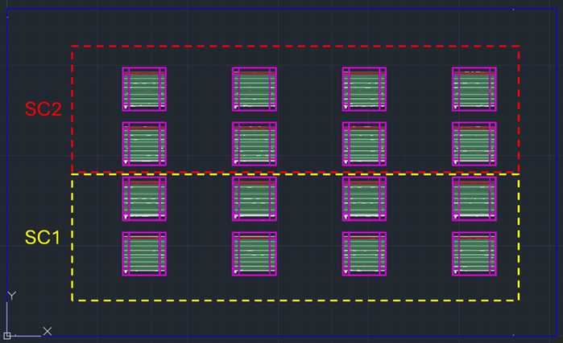
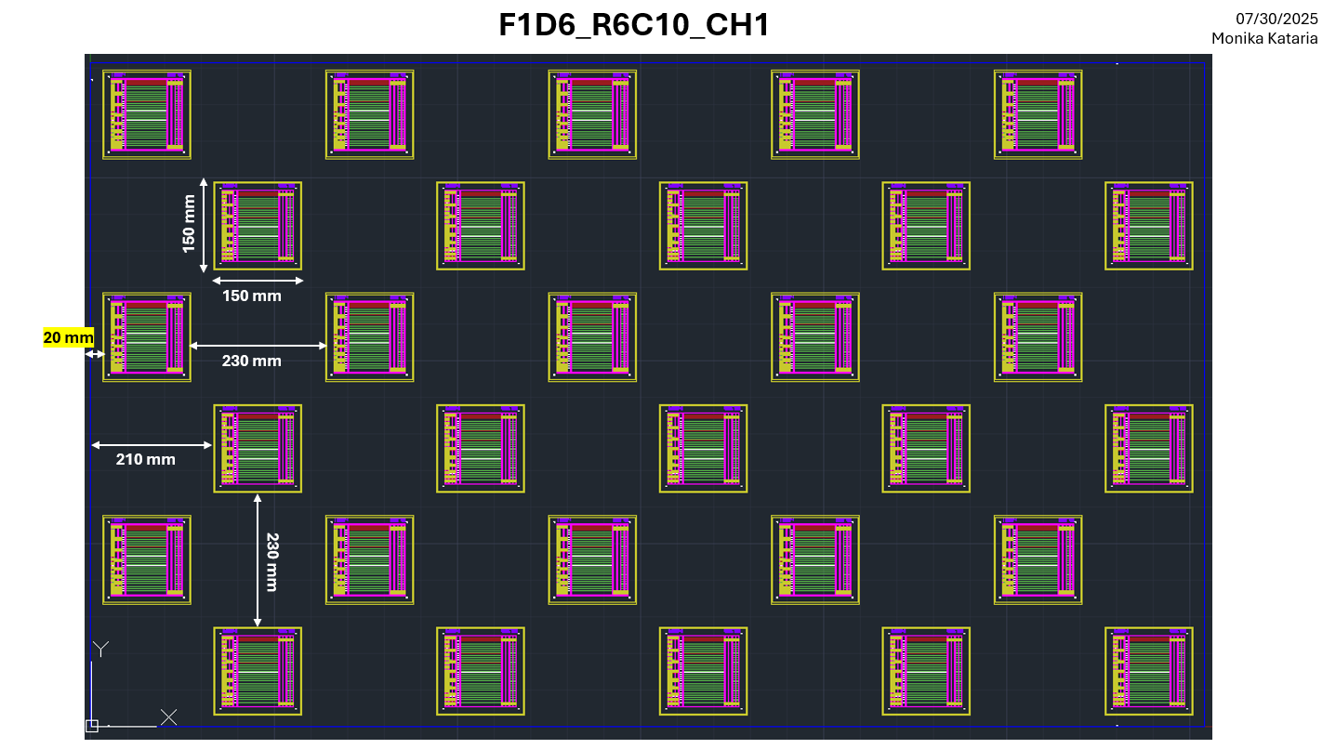
 | MICROSCOPE- 4X8 devices locations when using Laser CX01 |  |  |  | FOR 4x8 and 3X4, using OM SAVE - Save 01 image per device

 |  | Dev # | Proc-TB X value | Proc-TB Y value
All Values are relative, find the nearest scribe to the value given and then use "OM Capture" to take an image |  | 1 | -726 | 239
 |  | 2 | -916 | 239
 |  | 3 | -1106 | 239
 |  | 4 | -1296 | 239
 |  | 5 | -1486 | 239
 |  | 6 | -1676 | 239
 |  | 7 | -1866 | 239
 |  | 8 | -2056 | 239
 |  | 9 | -726 | 124
 |  | 10 | -916 | 124
 |  | 11 | -1106 | 124
 |  | 12 | -1296 | 124
 |  | 13 | -1486 | 124
 |  | 14 | -1676 | 124
 |  | 15 | -1866 | 124
 |  | 16 | -2056 | 124
 |  | 17 | -726 | -96
 |  | 18 | -916 | -96
 |  | 19 | -1106 | -96
 |  | 20 | -1296 | -96
 |  | 21 | -1486 | -96
 |  | 22 | -1676 | -96
 |  | 23 | -1866 | -96
 |  | 24 | -2056 | -96
 |  | 25 | -726 | -236
 |  | 26 | -916 | -236
 |  | 27 | -1106 | -236
 |  | 28 | -1296 | -236
 |  | 29 | -1486 | -236
 |  | 30 | -1676 | -236
 |  | 31 | -1866 | -236
 |  | 32 | -2056 | -236
FOR 4x8 and 3X4, using OM SAVE - Save 01 image per device

Modules-Microscope Data
 | LASER TOOL- CX01 or CX02 |  | Glass Vendor- Cardinal or JinJIng

Using OM SAVE, save 01 image per section (Total 08 Sections) for Full Module. F1M2 and F1M1
Save images using OM SAVE and Collect Scribe-width and Scribe Spacing Data for 04 corners of the glass/module. F1M1 and F1M2
FOR F1_R4C8 and F1_R3C4, using OM SAVE - Save 01 image per device

Operators | Laser Tool | Date | Glass ID | Glass Vendor | Design Type | Location | P1-P2 Spacing (mm) | P2-P3 Spacing (mm) | P1-P3 Spacing (mm) | P1 Scribe-width (mm) | P2 Scribe-width (mm) | P3 (Inner) Scribe-width (mm) | P3 (Outer) Scribe-Width (mm) | DEADSPACE (mm) | Column1
Anna/Jimmy/Quincy/Richard | CX01 | 2024-11-20 | Training-D1-0XXX | Cardinal | F1M2 | Front Edge Top | 0.316 | 0.293 | 0.613 | 0.051 | 0.03 | 0.021 |  | 0.6235
Anna/Jimmy/Quincy/Richard | CX01 | 2024-11-20 | Training-D1-0XXX | Cardinal | F1M2 | Front Edge Bottom | 0.318 | 0.286 | 0.608 | 0.036 | 0.028 | 0.019 |  | 0.6175
Anna/Jimmy/Quincy/Richard | CX01 | 2024-11-20 | Training-D1-0XXX | Cardinal | F1M2 | Back Edge Top | 0.31 | 0.297 | 0.604 | 0.047 | 0.032 | 0.019 |  | 0.6135
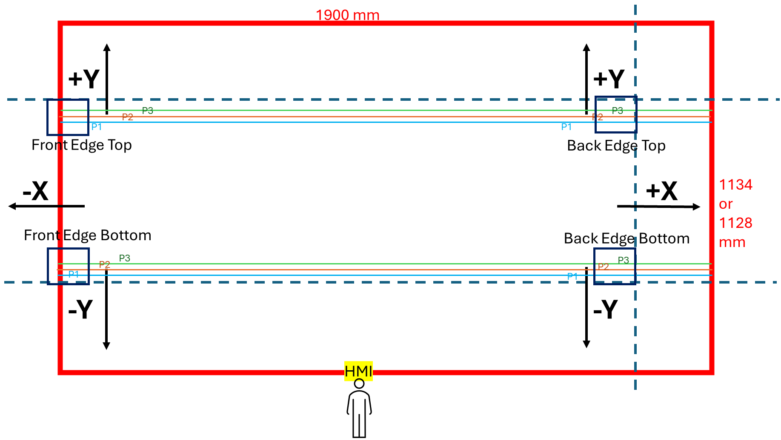
Anna/Jimmy/Quincy/Richard | CX01 | 2024-11-20 | Training-D1-0XXX | Cardinal | F1M2 | Back Edge Bottom | 0.305 | 0.293 | 0.604 | 0.03 | 0.03 | 0.021 |  | 0.6145
 |  |  |  |  |  |  |  |  |  |  |  |  |  | 0
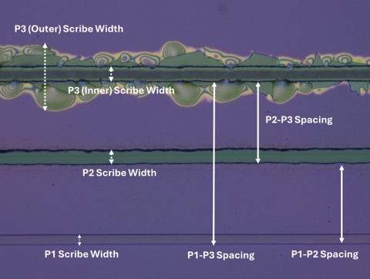
jimmy/anna | cx01 | 2024-11-21 | D1-0000-0192 | CARDINAL | F1M2R1 | Front Edge Top | 0.078 | 0.091 | 0.172 | 0.053 | 0.061 | 0.066 | 0.106 | 0.258
jimmy/anna | cx01 | 2024-11-21 | D1-0000-0192 | CARDINAL | F1M2R1 | Front Edge Bottom | 0.087 | 0.112 | 0.199 | 0.03 | 0.047 | 0.04 | 0.153 | 0.2955
jimmy/anna | cx01 | 2024-11-21 | D1-0000-0192 | CARDINAL | F1M2R1 | Back Edge Top | 0.089 | 0.102 | 0.187 | 0.044 | 0.059 | 0.051 | 0.106 | 0.2655
jimmy/anna | cx01 | 2024-11-21 | D1-0000-0192 | CARDINAL | F1M2R1 | Back Edge Bottom | 0.072 | 0.125 | 0.202 | 0.042 | 0.068 | 0.04 | 0.151 | 0.2975
 |  |  |  |  |  |  |  |  |  |  |  |  |  | 0
Quincy | CX01 | 2024-11-22 | D1-0000-0217 | CARDINAL | F1M2 | Front Edge Top | 0.297 | 0.303 | 0.596 | 0.049 | 0.064 | 0.049 | 0.246 | 0.7435
Quincy | CX01 | 2024-11-22 | D1-0000-0217 | CARDINAL | F1M2 | Front Edge Bottom | 0.29 | 0.305 | 0.596 | 0.036 | 0.047 | 0.032 | 0.322 | 0.773
Quincy | CX01 | 2024-11-22 | D1-0000-0217 | CARDINAL | F1M2 | Back Edge Top | 0.282 | 0.293 | 0.57 | 0.042 | 0.074 | 0.062 | 0.133 | 0.6675
Quincy | CX01 | 2024-11-22 | D1-0000-0217 | CARDINAL | F1M2 | Back Edge Bottom | 0.295 | 0.297 | 0.589 | 0.034 | 0.055 | 0.034 | 0.155 | 0.6835
 |  |  |  |  |  |  |  |  |  |  |  |  |  | 0
Quincy | CX01 | 2024-11-22 | D1-0000-0220 | CARDINAL | F1M2 | Front Edge Top | 0.273 | 0.312 | 0.579 | 0.049 | 0.064 | 0.062 | 0.153 | 0.6865
Quincy | CX01 | 2024-11-22 | D1-0000-0220 | CARDINAL | F1M2 | Front Edge Bottom | 0.29 | 0.31 | 0.596 | 0.036 | 0.053 | 0.036 | 0.153 | 0.6905
Quincy | CX01 | 2024-11-22 | D1-0000-0220 | CARDINAL | F1M2 | Back Edge Top | 0.28 | 0.305 | 0.585 | 0.042 | 0.072 | 0.055 | 0.134 | 0.6795
Quincy | CX01 | 2024-11-22 | D1-0000-0220 | CARDINAL | F1M2 | Back Edge Bottom | 0.278 | 0.303 | 0.583 | 0.032 | 0.047 | 0.043 | 0.159 | 0.684
 |  |  |  |  |  |  |  |  |  |  |  |  |  | 0
Quincy | CX01 | 2024-11-22 | D1-0000-0222 | CARDINAL | F1M2 | Front Edge Top | 0.29 | 0.299 | 0.59 | 0.042 | 0.064 | 0.042 | 0.235 | 0.7285
Quincy | CX01 | 2024-11-22 | D1-0000-0222 | CARDINAL | F1M2 | Front Edge Bottom | 0.29 | 0.312 | 0.602 | 0.036 | 0.051 | 0.04 | 0.291 | 0.7675
Quincy | CX01 | 2024-11-22 | D1-0000-0222 | CARDINAL | F1M2 | Back Edge Top | 0.288 | 0.299 | 0.587 | 0.042 | 0.066 | 0.055 | 0.138 | 0.6835
Quincy | CX01 | 2024-11-22 | D1-0000-0222 | CARDINAL | F1M2 | Back Edge Bottom | 0.293 | 0.297 | 0.589 | 0.03 | 0.057 | 0.04 | 0.134 | 0.676
 |  |  |  |  |  |  |  |  |  |  |  |  |  | 0
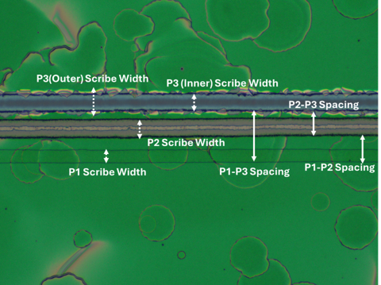
Quincy | CX01 | 2024-11-23 | D1 - 223 | CARDINAL | R4C8 |  |  |  |  |  |  |  |  | 0
Quincy | CX01 | 2024-11-23 | D1 - 223 | CARDINAL | R4C8 |  |  |  |  |  |  |  |  | 0
Quincy | CX01 | 2024-11-23 | D1 - 223 | CARDINAL | R4C8 |  |  |  |  |  |  |  |  | 0
Quincy | CX01 | 2024-11-23 | D1 - 223 | CARDINAL | R4C8 |  |  |  |  |  |  |  |  | 0
 |  |  |  |  |  |  |  |  |  |  |  |  |  | 0
Quincy | CX01 | 2024-11-22 | D1-0000-0222 | CARDINAL | F1M2 | Front Edge Top | 0.089 | 0.104 | 0.199 | 0.038 | 0.068 | 0.055 | 0.104 | 0.2785
Quincy | CX01 | 2024-11-22 | D1-0000-0222 | CARDINAL | F1M2 | Front Edge Bottom | 0.108 | 0.087 | 0.195 | 0.038 | 0.045 | 0.036 | 0.102 | 0.264
Quincy | CX01 | 2024-11-22 | D1-0000-0222 | CARDINAL | F1M2 | Back Edge Top | 0.093 | 0.112 | 0.199 | 0.04 | 0.066 | 0.053 | 0.087 | 0.269
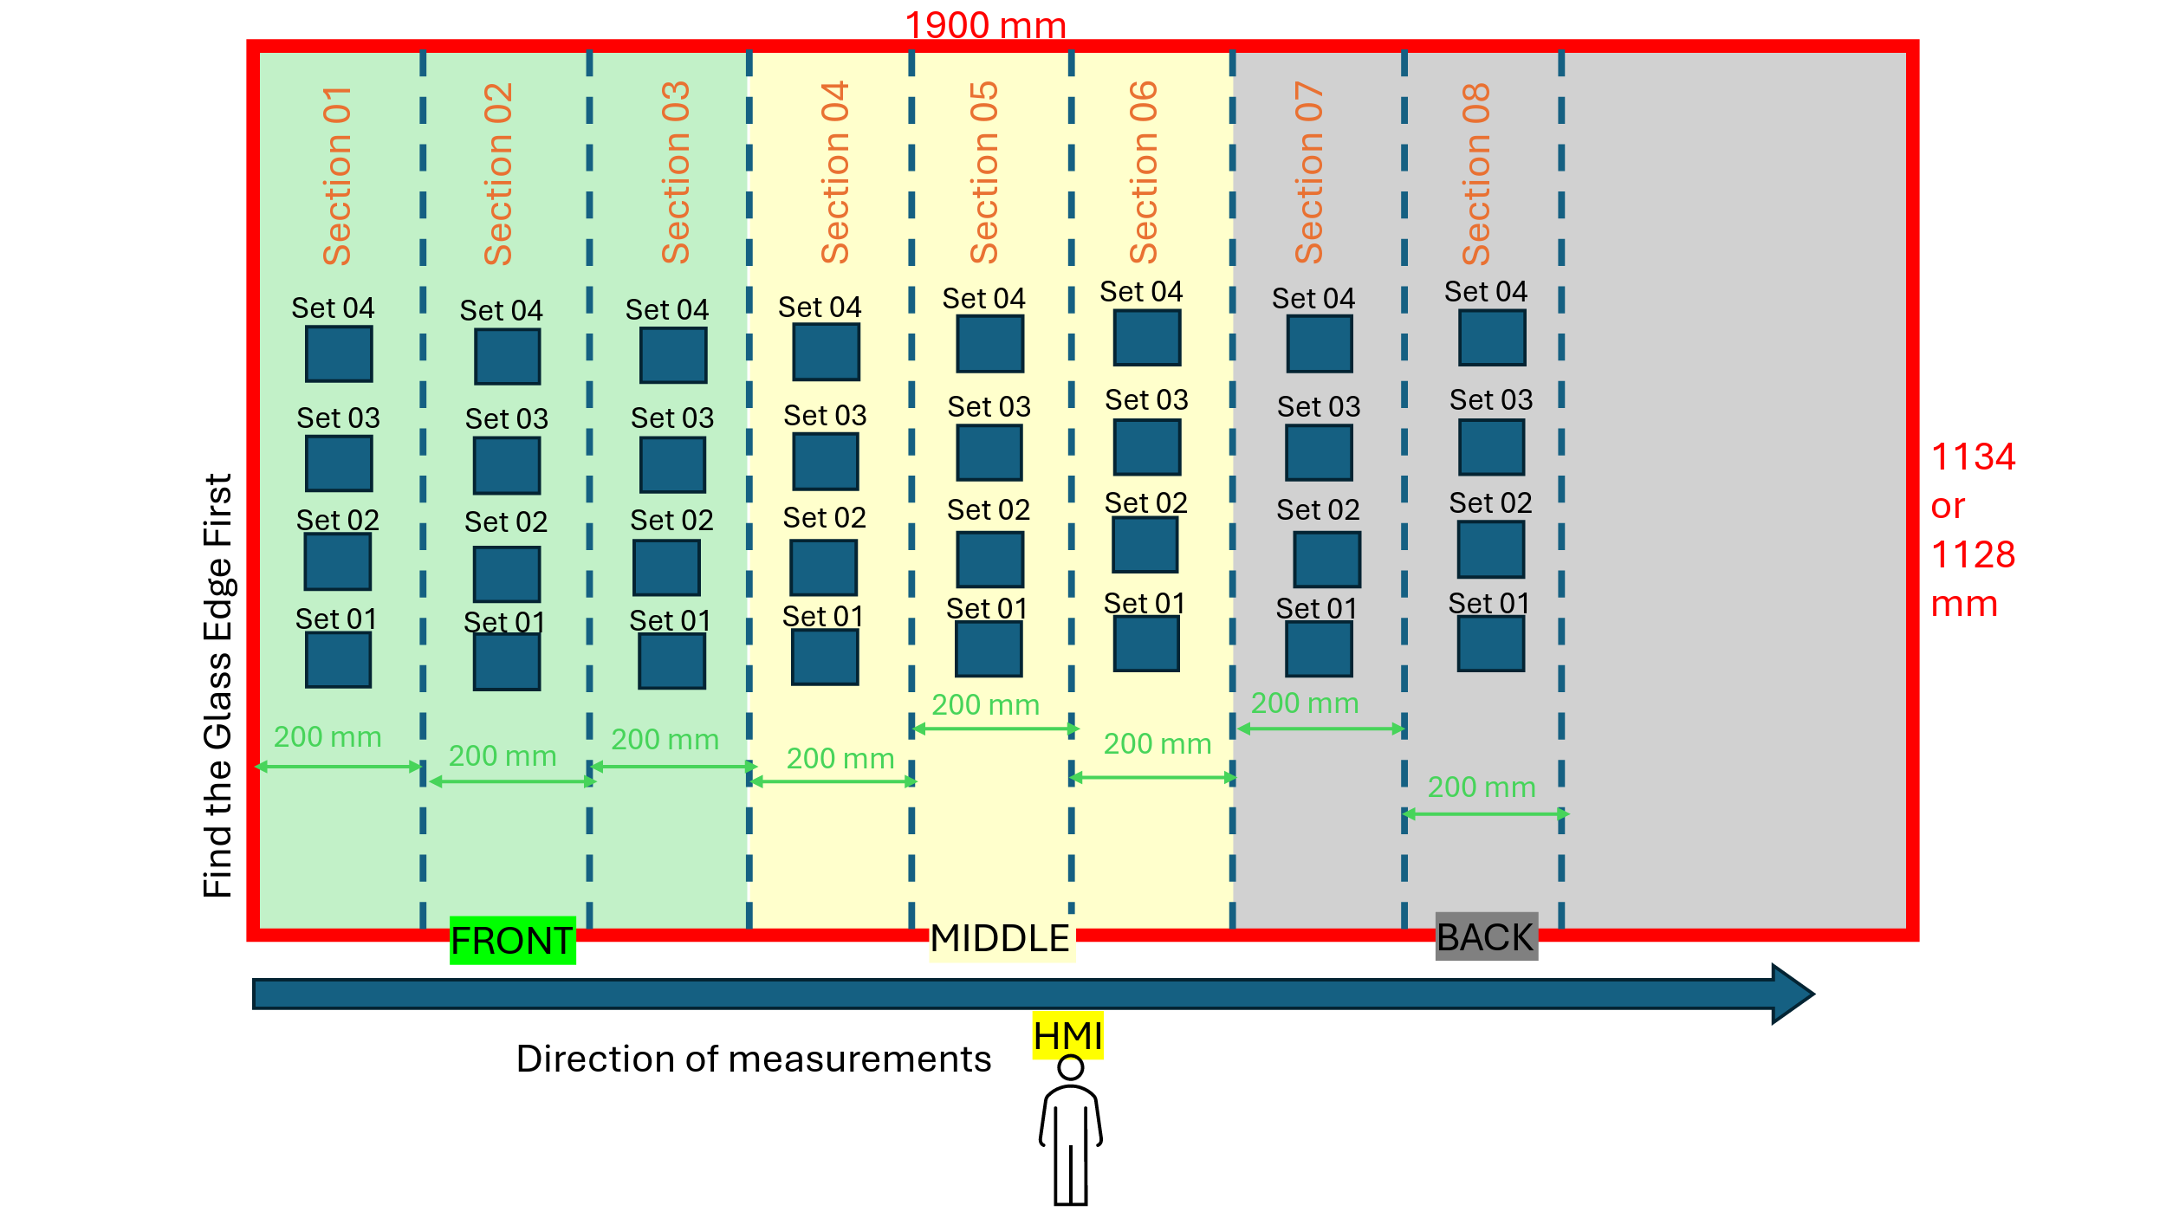
Quincy | CX01 | 2024-11-22 | D1-0000-0222 | CARDINAL | F1M2 | Back Edge Bottom | 0.1 | 0.085 | 0.18 | 0.038 | 0.047 | 0.043 | 0.127 | 0.265
 |  |  |  |  |  |  |  |  |  |  |  |  |  | 0
RICHARD | CX01 | 2024-11-24 | D1-0000-0230 | CARDINAL | F1M2 | Front Edge Top | 0.282 | 0.303 | 0.587 | 0.043 | 0.064 | 0.051 | 0.127 | 0.676
RICHARD | CX01 | 2024-11-24 | D1-0000-0230 | CARDINAL | F1M2 | Front Edge Bottom | 0.286 | 0.288 | 0.575 | 0.034 | 0.055 | 0.04 | 0.157 | 0.6735
RICHARD | CX01 | 2024-11-24 | D1-0000-0230 | CARDINAL | F1M2 | Back Edge Top | 0.293 | 0.301 | 0.594 | 0.038 | 0.066 | 0.051 | 0.125 | 0.682
RICHARD | CX01 | 2024-11-24 | D1-0000-0230 | CARDINAL | F1M2 | Back Edge Bottom | 0.299 | 0.282 | 0.581 | 0.036 | 0.049 | 0.04 | 0.163 | 0.6825
 |  |  |  |  |  |  |  |  |  |  |  |  |  | 0
RICHARD | CX01 | 2024-11-24 | D1-0000-0215 | CARDINAL | F1M2 | Front Edge Top | 0.297 | 0.293 | 0.589 | 0.04 | 0.076 | 0.051 | 0.134 | 0.6815
RICHARD | CX01 | 2024-11-24 | D1-0000-0215 | CARDINAL | F1M2 | Front Edge Bottom | 0.291 | 0.297 | 0.589 | 0.036 | 0.053 | 0.036 | 0.153 | 0.6835
RICHARD | CX01 | 2024-11-24 | D1-0000-0215 | CARDINAL | F1M2 | Back Edge Top | 0.295 | 0.292 | 0.589 | 0.042 | 0.066 | 0.051 | 0.11 | 0.6695
RICHARD | CX01 | 2024-11-24 | D1-0000-0215 | CARDINAL | F1M2 | Back Edge Bottom | 0.295 | 0.297 | 0.594 | 0.034 | 0.045 | 0.04 | 0.127 | 0.6775
 |  |  |  |  |  |  |  |  |  |  |  |  |  | 0
RICHARD | CX01 | 2024-11-24 | D1-0000-0227 | CARDINAL | F1M2R1 | Front Edge Top | 0.085 | 0.097 | 0.182 | 0.04 | 0.074 | 0.053 | 0.093 | 0.255
RICHARD | CX01 | 2024-11-24 | D1-0000-0227 | CARDINAL | F1M2R1 | Front Edge Bottom | 0.089 | 0.102 | 0.193 | 0.036 | 0.051 | 0.036 | 0.131 | 0.2765
RICHARD | CX01 | 2024-11-24 | D1-0000-0227 | CARDINAL | F1M2R1 | Back Edge Top | 0.038 | 0.099 | 0.193 | 0.038 | 0.07 | 0.059 | 0.114 | 0.2795
RICHARD | CX01 | 2024-11-24 | D1-0000-0227 | CARDINAL | F1M2R1 | Back Edge Bottom | 0.095 | 0.106 | 0.201 | 0.034 | 0.049 | 0.038 | 0.157 | 0.2985
 |  |  |  |  |  |  |  |  |  |  |  |  |  | 0
Quincy | CX01 | 2024-11-24 | D1-0000-0228 | CARDINAL | F1M2R1 | Front Edge Top | 0.097 | 0.1 | 0.191 | 0.042 | 0.066 | 0.059 | 0.087 | 0.264
Quincy | CX01 | 2024-11-24 | D1-0000-0228 | CARDINAL | F1M2R1 | Front Edge Bottom | 0.095 | 0.096 | 0.195 | 0.038 | 0.04 | 0.042 | 0.1 | 0.266
Quincy | CX01 | 2024-11-24 | D1-0000-0228 | CARDINAL | F1M2R1 | Back Edge Top | 0.117 | 0.076 | 0.191 | 0.042 | 0.055 | 0.068 | 0.093 | 0.2715
Quincy | CX01 | 2024-11-24 | D1-0000-0228 | CARDINAL | F1M2R1 | Back Edge Bottom | 0.089 | 0.102 | 0.193 | 0.036 | 0.049 | 0.045 | 0.11 | 0.2705
 |  |  |  |  |  |  |  |  |  |  |  |  |  | 0
Quincy | CX01 | 2024-11-24 | D1-0000-0229 | CARDINAL | F1M2 | Front Edge Top | 0.282 | 0.295 | 0.581 | 0.047 | 0.068 | 0.057 | 0.083 | 0.651
Quincy | CX01 | 2024-11-24 | D1-0000-0229 | CARDINAL | F1M2 | Front Edge Bottom | 0.293 | 0.301 | 0.598 | 0.038 | 0.055 | 0.04 | 0.121 | 0.6785
Quincy | CX01 | 2024-11-24 | D1-0000-0229 | CARDINAL | F1M2 | Back Edge Top | 0.293 | 0.305 | 0.596 | 0.045 | 0.07 | 0.062 | 0.104 | 0.679
Quincy | CX01 | 2024-11-24 | D1-0000-0229 | CARDINAL | F1M2 | Back Edge Bottom | 0.293 | 0.301 | 0.591 | 0.034 | 0.055 | 0.047 | 0.153 | 0.691
 |  |  |  |  |  |  |  |  |  |  |  |  |  | 0
Quincy | CX01 | 2024-11-27 | D1-0000-0231 | CARDINAL | F1M2 | Front Edge Top | 0.274 | 0.32 | 0.592 | 0.036 | 0.07 | 0.057 | 0.072 | 0.6565
Quincy | CX01 | 2024-11-27 | D1-0000-0231 | CARDINAL | F1M2 | Front Edge Bottom | 0.301 | 0.305 | 0.602 | 0.036 | 0.055 | 0,044 | 0.089 | #VALUE!
Quincy | CX01 | 2024-11-27 | D1-0000-0231 | CARDINAL | F1M2 | Back Edge Top | 0.286 | 0.295 | 0.575 | 0.036 | 0.068 | 0.059 | 0.185 | 0.697
Quincy | CX01 | 2024-11-27 | D1-0000-0231 | CARDINAL | F1M2 | Back Edge Bottom | 0.286 | 0.295 | 0.581 | 0.032 | 0.055 | 0.057 | 0.197 | 0.708
 |  |  |  |  |  |  |  |  |  |  |  |  |  | 0
Anna/Jimmy | CX01 | 2024-11-30 | D1-0000-0238 | Jing Jing | F1M2 | Front Edge Top | 0.271 | 0.31 | 0.579 | 0.038 | 0.083 | 0.068 | 0.233 | 0.7295
Anna/Jimmy | CX01 | 2024-11-30 | D1-0000-0238 | Jing Jing | F1M2 | Front Edge Bottom | 0.291 | 0.301 | 0.587 | 0.027 | 0.057 | 0.042 | 0.21 | 0.713
Anna/Jimmy | CX01 | 2024-11-30 | D1-0000-0238 | Jing Jing | F1M2 | Back Edge Top | 0.259 | 0.303 | 0.56 | 0.041 | 0.076 | 0.059 | 0.21 | 0.6945
Anna/Jimmy | CX01 | 2024-11-30 | D1-0000-0238 | Jing Jing | F1M2 | Back Edge Bottom | 0.286 | 0.295 | 0.585 | 0.034 | 0.057 | 0.047 | 0.212 | 0.7145
 |  |  |  |  |  |  |  |  |  |  |  |  |  | 0
Anna/Jimmy | CX01 | 2024-11-30 | D1-0000-0239 | Jing Jing | F1M2 | Front Edge Top | 0.288 | 0.303 | 0.589 | 0.043 | 0.083 | 0.074 | 0.225 | 0.7385
Anna/Jimmy | CX01 | 2024-11-30 | D1-0000-0239 | Jing Jing | F1M2 | Front Edge Bottom | 0.305 | 0.297 | 0.598 | 0.032 | 0.057 | 0.044 | 0.195 | 0.7175
Anna/Jimmy | CX01 | 2024-11-30 | D1-0000-0239 | Jing Jing | F1M2 | Back Edge Top | 0.068 | 0.28 | 0.549 | 0.04 | 0.072 | 0.07 | 0.244 | 0.706
Anna/Jimmy | CX01 | 2024-11-30 | D1-0000-0239 | Jing Jing | F1M2 | Back Edge Bottom | 0.288 | 0.282 | 0.566 | 0.034 | 0.057 | 0.053 | 0.195 | 0.69
 |  |  |  |  |  |  |  |  |  |  |  |  |  | 0
Anna/Jimmy | CX01 | 2024-12-01 | D1-0000-0187 | CARDINAL | F1M2R1 | Front Edge Top | 0.091 | 0.106 | 0.197 | 0.042 | 0.062 | 0.044 | 0.125 | 0.2815
Anna/Jimmy | CX01 | 2024-12-01 | D1-0000-0187 | CARDINAL | F1M2R1 | Front Edge Bottom | 0.104 | 0.091 | 0.193 | 0.034 | 0.044 | 0.045 | 0.127 | 0.279
Anna/Jimmy | CX01 | 2024-12-01 | D1-0000-0187 | CARDINAL | F1M2R1 | Back Edge Top | 0.097 | 0.089 | 0.189 | 0.045 | 0.059 | 0.051 | 0.13 | 0.2795
Anna/Jimmy | CX01 | 2024-12-01 | D1-0000-0187 | CARDINAL | F1M2R1 | Back Edge Bottom | 0.085 | 0.01 | 0.187 | 0.03 | 0.051 | 0.045 | 0.144 | 0.2815
 |  |  |  |  |  |  |  |  |  |  |  |  |  | 0
Anna/Jimmy | CX01 | 2024-12-01 | D1-0000-0195 | CARDINAL | F1M2R1 | Front Edge Top | 0.096 | 0.089 | 0.182 | 0.047 | 0.068 | 0.036 | 0.146 | 0.273
Anna/Jimmy | CX01 | 2024-12-01 | D1-0000-0195 | CARDINAL | F1M2R1 | Front Edge Bottom | 0.095 | 0.102 | 0.193 | 0.03 | 0.051 | 0.034 | 0.144 | 0.282
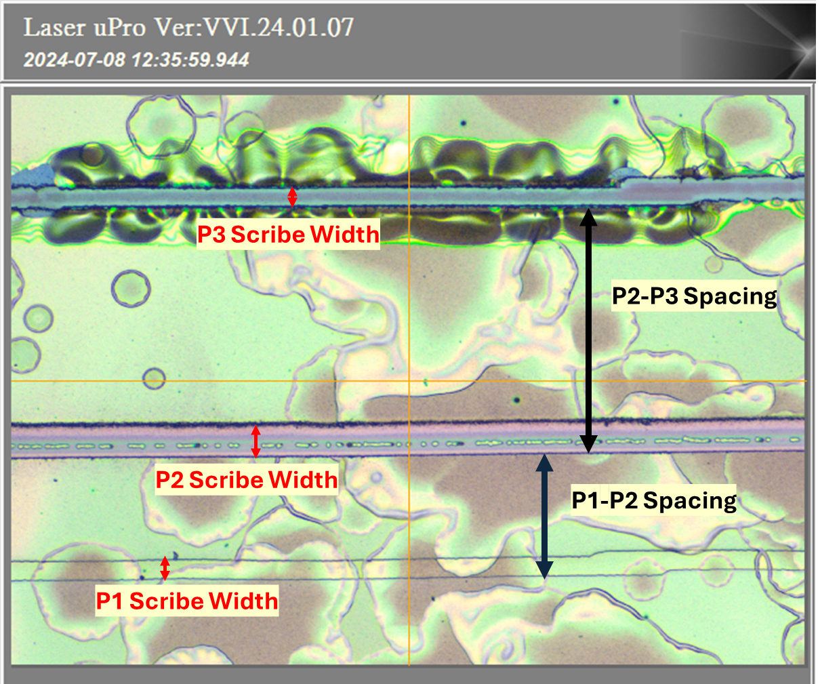
Anna/Jimmy | CX01 | 2024-12-01 | D1-0000-0195 | CARDINAL | F1M2R1 | Back Edge Top | 0.091 | 0.102 | 0.191 | 0.042 | 0.068 | 0.053 | 0.15 | 0.2925
Anna/Jimmy | CX01 | 2024-12-01 | D1-0000-0195 | CARDINAL | F1M2R1 | Back Edge Bottom | 0.091 | 0.104 | 0.195 | 0.04 | 0.04 | 0.036 | 0.191 | 0.3085
 |  |  |  |  |  |  |  |  |  |  |  |  |  | 0
Anna/Jimmy | CX01 | 2024-12-01 | D1-0000-0188 | CARDINAL | F1M2R1 | Front Edge Top | 0.044 | 0.083 | 0.199 | 0.038 | 0.07 | 0.117 | 0.167 | 0.341
Anna/Jimmy | CX01 | 2024-12-01 | D1-0000-0188 | CARDINAL | F1M2R1 | Front Edge Bottom | 0.089 | 0.097 | 0.187 | 0.036 | 0.053 | 0.042 | 0.14 | 0.278
Anna/Jimmy | CX01 | 2024-12-01 | D1-0000-0188 | CARDINAL | F1M2R1 | Back Edge Top | 0.093 | 0.095 | 0.189 | 0.042 | 0.066 | 0.061 | 0.142 | 0.2905
Anna/Jimmy | CX01 | 2024-12-01 | D1-0000-0188 | CARDINAL | F1M2R1 | Back Edge Bottom | 0.053 | 0.125 | 0.105 | 0.025 | 0.045 | 0.049 | 0.18 | 0.2195
 |  |  |  |  |  |  |  |  |  |  |  |  |  | 0
Anna/Jimmy | CX01 | 2024-12-01 | D1-0000-0209 | CARDINAL | F1M2R1 | Front Edge Top | 0.083 | 0.11 | 0.193 | 0.049 | 0.065 | 0.057 | 0.15 | 0.2965
Anna/Jimmy | CX01 | 2024-12-01 | D1-0000-0209 | CARDINAL | F1M2R1 | Front Edge Bottom | ..087 | 0.117 | 0.201 | 0.038 | 0.051 | 0.042 | 0.155 | 0.2995
Anna/Jimmy | CX01 | 2024-12-01 | D1-0000-0209 | CARDINAL | F1M2R1 | Back Edge Top | 0.091 | 0.098 | 0.182 | 0.042 | 0.062 | 0.053 | 0.138 | 0.2775
Anna/Jimmy | CX01 | 2024-12-01 | D1-0000-0209 | CARDINAL | F1M2R1 | Back Edge Bottom | 0.091 | 0.1 | 0.189 | 0.034 | 0.049 | 0.042 | 0.161 | 0.2905
 |  |  |  |  |  |  |  |  |  |  |  |  |  | 0
Anna/Jimmy | CX01 | 2024-12-01 | D1-0000-0158 | CARDINAL | F1M2R1 | Front Edge Top | 0.083 | 0.492 | 0.575 | 0.038 | 0.064 | 0.059 | 0.195 | 0.702
Anna/Jimmy | CX01 | 2024-12-01 | D1-0000-0158 | CARDINAL | F1M2R1 | Front Edge Bottom | 0.1 | 0.496 | 0.592 | 0.032 | 0.057 | 0.038 | 0.165 | 0.6935
Anna/Jimmy | CX01 | 2024-12-01 | D1-0000-0158 | CARDINAL | F1M2R1 | Back Edge Top | 0.081 | 0.488 | 0.566 | 0.038 | 0.064 | 0.055 | 0.178 | 0.6825
Anna/Jimmy | CX01 | 2024-12-01 | D1-0000-0158 | CARDINAL | F1M2R1 | Back Edge Bottom | 0.091 | 0.496 | 0.581 | 0.034 | 0.051 | 0.04 | 0.18 | 0.691
 |  |  |  |  |  |  |  |  |  |  |  |  |  | 0
Quincy | CX01 | 2024-12-02 | D1-0000-0219 | CARDINAL | F1M2R1 | Front Edge Top | 0.089 | 0.121 | 0.208 | 0.047 | 0.07 | 0.066 | 0.144 | 0.313
Quincy | CX01 | 2024-12-02 | D1-0000-0219 | CARDINAL | F1M2R1 | Front Edge Bottom | 0.089 | 0.104 | 0.197 | 0.034 | 0.049 | 0.045 | 0.13 | 0.2845
Quincy | CX01 | 2024-12-02 | D1-0000-0219 | CARDINAL | F1M2R1 | Back Edge Top | 0.074 | 0.125 | 0.199 | 0.045 | 0.074 | 0.057 | 0.11 | 0.2825
Quincy | CX01 | 2024-12-02 | D1-0000-0219 | CARDINAL | F1M2R1 | Back Edge Bottom | 0.079 | 0.112 | 0.191 | 0.032 | 0.049 | 0.042 | 0.136 | 0.28
 |  |  |  |  |  |  |  |  |  |  |  |  |  | 0
JIMMY/ANNA | CX01 | 2024-12-04 | D1-0000-0249 | JING JING | F1M2 | Front Edge Top | 0.267 | 0.305 | 0.568 | 0.036 | 0.072 | 0.072 | 0.216 | 0.712
JIMMY/ANNA | CX01 | 2024-12-04 | D1-0000-0249 | JING JING | F1M2 | Front Edge Bottom | 0.282 | 0.308 | 0.59 | 0.032 | 0.06 | 0.051 | 0.203 | 0.717
JIMMY/ANNA | CX01 | 2024-12-04 | D1-0000-0249 | JING JING | F1M2 | Back Edge Top | 0.288 | 0.282 | 0.575 | 0.045 | 0.074 | 0.068 | 0.206 | 0.712
JIMMY/ANNA | CX01 | 2024-12-04 | D1-0000-0249 | JING JING | F1M2 | Back Edge Bottom | 0.017 | 0.295 | 0.598 | 0.025 | 0.053 | 0.047 | 0.231 | 0.737
 |  |  |  |  |  |  |  |  |  |  |  |  |  | 0
Richard/Ariana | CX01 | 2024-12-06 | D1-0000-0255 | JING JING | F1M2 | Front Edge Top | 0.271 | 0.301 | 0.575 | 0.038 | 0.074 | 0.064 | 0.229 | 0.7215
Richard/Ariana | CX01 | 2024-12-06 | D1-0000-0255 | JING JING | F1M2 | Front Edge Bottom | 0.29 | 0.301 | 0.596 | 0.034 | 0.061 | 0.047 | 0.153 | 0.696
Richard/Ariana | CX01 | 2024-12-06 | D1-0000-0255 | JING JING | F1M2 | Back Edge Top | 0.276 | 0.303 | 0.577 | 0.04 | 0.076 | 0.062 | 0.18 | 0.698
Richard/Ariana | CX01 | 2024-12-06 | D1-0000-0255 | JING JING | F1M2 | Back Edge Bottom | 0.295 | 0.31 | 0.598 | 0.034 | 0.055 | 0.051 | 0.176 | 0.7115
 |  |  |  |  |  |  |  |  |  |  |  |  |  | 0
Richard/Ariana | CX01 | 2024-12-06 | D1-0000-0256 | JING JING | F1M2 | Front Edge Top | 0.282 | 0.312 | 0.594 | 0.049 | 0.074 | 0.061 | 0.202 | 0.7255
Richard/Ariana | CX01 | 2024-12-06 | D1-0000-0256 | JING JING | F1M2 | Front Edge Bottom | 0.286 | 0.322 | 0.606 | 0.034 | 0.064 | 0.042 | 0.197 | 0.7255
Richard/Ariana | CX01 | 2024-12-06 | D1-0000-0256 | JING JING | F1M2 | Back Edge Top | 0.288 | 0.293 | 0.577 | 0.042 | 0.066 | 0.074 | 0.18 | 0.704
Richard/Ariana | CX01 | 2024-12-06 | D1-0000-0256 | JING JING | F1M2 | Back Edge Bottom | 0.288 | 0.31 | 0.6 | 0.036 | 0.055 | 0.051 | 0.148 | 0.6995
 |  |  |  |  |  |  |  |  |  |  |  |  |  | 0
Richard/Ariana | CX01 | 2024-12-07 | D1-0000-0257 | JING JING | F1M2 | Front Edge Top | 0.269 | 0.318 | 0.587 | 0.04 | 0.064 | 0.055 | 0.365 | 0.797
Richard/Ariana | CX01 | 2024-12-07 | D1-0000-0257 | JING JING | F1M2 | Front Edge Bottom | 0.288 | 0.322 | 0.613 | 0.032 | 0.064 | 0.049 | 0.233 | 0.754
Richard/Ariana | CX01 | 2024-12-07 | D1-0000-0257 | JING JING | F1M2 | Back Edge Top | 0.271 | 0.329 | 0.602 | 0.032 | 0.064 | 0.044 | 0.221 | 0.7345
Richard/Ariana | CX01 | 2024-12-07 | D1-0000-0257 | JING JING | F1M2 | Back Edge Bottom | 0.301 | 0.32 | 0.664 | 0.038 | 0.078 | 0.07 | 0.271 | 0.8345
 |  |  |  |  |  |  |  |  |  |  |  |  |  | 0
Richard/Ariana | CX01 | 2024-12-07 | D1-0000-0258 | JING JING | F1M2 | Front Edge Top | 0.293 | 0.31 | 0.596 | 0.038 | 0.068 | 0.053 | 0.129 | 0.687
Richard/Ariana | CX01 | 2024-12-07 | D1-0000-0258 | JING JING | F1M2 | Front Edge Bottom | 0.293 | 0.308 | 0.606 | 0.03 | 0.068 | 0.049 | 0.197 | 0.729
Richard/Ariana | CX01 | 2024-12-07 | D1-0000-0258 | JING JING | F1M2 | Back Edge Top | 0.299 | 0.314 | 0.611 | 0.032 | 0.055 | 0.057 | 0.184 | 0.7315
Richard/Ariana | CX01 | 2024-12-07 | D1-0000-0258 | JING JING | F1M2 | Back Edge Bottom | 0.282 | 0.318 | 0.6 | 0.038 | 0.07 | 0.055 | 0.127 | 0.691
 |  |  |  |  |  |  |  |  |  |  |  |  |  | 0
Richard/Ariana | CX01 | 2024-12-07 | D1-0000-0260 | JING JING | F1M2 | Front Edge Top | 0.089 | 0.486 | 0.577 | 0.04 | 0.032 | 0.051 | 0.091 | 0.648
Richard/Ariana | CX01 | 2024-12-07 | D1-0000-0260 | JING JING | F1M2 | Front Edge Bottom | 0.083 | 0.509 | 0.592 | 0.034 | 0.066 | 0.045 | 0.199 | 0.714
Richard/Ariana | CX01 | 2024-12-07 | D1-0000-0260 | JING JING | F1M2 | Back Edge Top | 0.068 | 0.494 | 0.566 | 0.04 | 0.085 | 0.066 | 0.189 | 0.6935
Richard/Ariana | CX01 | 2024-12-07 | D1-0000-0260 | JING JING | F1M2 | Back Edge Bottom | 0.734 | 0.496 | 0.087 | 0.034 | 0.053 | 0.051 | 0.182 | 0.2035
 |  |  |  |  |  |  |  |  |  |  |  |  |  | 0
Richard/Ariana | CX01 | 2024-12-07 | D1-0000-0261 | JING JING | F1M2 | Front Edge Top | 0.074 | 0.49 | 0.566 | 0.038 | 0.07 | 0.057 | 0.144 | 0.6665
Richard/Ariana | CX01 | 2024-12-07 | D1-0000-0261 | JING JING | F1M2 | Front Edge Bottom | 0.097 | 0.596 | 0.594 | 0.032 | 0.055 | 0.047 | 0.212 | 0.7235
Richard/Ariana | CX01 | 2024-12-07 | D1-0000-0261 | JING JING | F1M2 | Back Edge Top | 0.072 | 0.49 | 0.566 | 0.045 | 0.076 | 0.061 | 0.189 | 0.691
Richard/Ariana | CX01 | 2024-12-07 | D1-0000-0261 | JING JING | F1M2 | Back Edge Bottom | 0.083 | 0.502 | 0.585 | 0.032 | 0.053 | 0.047 | 0.163 | 0.69
 |  |  |  |  |  |  |  |  |  |  |  |  |  | 0
Richard/Ariana | CX01 | 2024-12-07 | D1-0000-0262 | JING JING | F1M2 | Front Edge Top | 0.064 | 0.513 | 0.577 | 0.038 | 0.074 | 0.055 | 0.206 | 0.7075
Richard/Ariana | CX01 | 2024-12-07 | D1-0000-0262 | JING JING | F1M2 | Front Edge Bottom | 0.089 | 0.519 | 0.607 | 0.032 | 0.055 | 0.047 | 0.199 | 0.73
Richard/Ariana | CX01 | 2024-12-07 | D1-0000-0262 | JING JING | F1M2 | Back Edge Top | 0.093 | 0.507 | 0.036 | 0.049 | 0.051 | 0.019 | 0.21 | 0.1505
Richard/Ariana | CX01 | 2024-12-07 | D1-0000-0262 | JING JING | F1M2 | Back Edge Bottom | 0.095 | 0.503 | 0.594 | 0.03 | 0.049 | 0.046 | 0.212 | 0.723
 |  |  |  |  |  |  |  |  |  |  |  |  |  | 0
Richard/Arianna | CX01 | 2024-12-08 | D1-0000-0263 | JING JING | F1M2 | Front Edge Top |  |  |  |  |  |  |  | 0
Richard/Arianna | CX01 | 2024-12-08 | D1-0000-0263 | JING JING | F1M2 | Front Edge Bottom |  |  |  |  |  |  |  | 0
Richard/Arianna | CX01 | 2024-12-08 | D1-0000-0263 | JING JING | F1M2 | Back Edge Top |  |  |  |  |  |  |  | 0
Richard/Arianna | CX01 | 2024-12-08 | D1-0000-0263 | JING JING | F1M2 | Back Edge Bottom |  |  |  |  |  |  |  | 0
 |  |  |  |  |  |  |  |  |  |  |  |  |  | 0
Richard/Arianna | CX01 | 2024-12-08 | D1-0000-0264 | JING JING | F1M2 | Front Edge Top |  |  |  |  |  |  |  | 0
Richard/Arianna | CX01 | 2024-12-08 | D1-0000-0264 | JING JING | F1M2 | Front Edge Bottom |  |  |  |  |  |  |  | 0
Richard/Arianna | CX01 | 2024-12-08 | D1-0000-0264 | JING JING | F1M2 | Back Edge Top |  |  |  |  |  |  |  | 0
Richard/Arianna | CX01 | 2024-12-08 | D1-0000-0264 | JING JING | F1M2 | Back Edge Bottom |  |  |  |  |  |  |  | 0
 |  |  |  |  |  |  |  |  |  |  |  |  |  | 0
Richard/Arianna | CX01 | 2024-12-08 | D1-0000-0265 | JING JING | F1M2 | Front Edge Top | 0.286 | 0.314 | 0.6 | 0.038 | 0.081 | 0.049 | 0.367 | 0.808
Richard/Arianna | CX01 | 2024-12-08 | D1-0000-0265 | JING JING | F1M2 | Front Edge Bottom | 0.293 | 0.295 | 0.592 | 0.034 | 0.061 | 0.04 | 0.22 | 0.722
Richard/Arianna | CX01 | 2024-12-08 | D1-0000-0265 | JING JING | F1M2 | Back Edge Top | 0.299 | 0.297 | 0.596 | 0.038 | 0.074 | 0.066 | 0.225 | 0.7415
Richard/Arianna | CX01 | 2024-12-08 | D1-0000-0265 | JING JING | F1M2 | Back Edge Bottom | 0.303 | 0.299 | 0.602 | 0.032 | 0.064 | 0.04 | 0.218 | 0.731
 |  |  |  |  |  |  |  |  |  |  |  |  |  | 0
Richard/Arianna | CX01 | 2024-12-08 | D1-0000-0266 | JING JING | F1M2 | Front Edge Top | 0.278 | 0.31 | 0.585 | 0.04 | 0.068 | 0.07 | 0.174 | 0.707
Richard/Arianna | CX01 | 2024-12-08 | D1-0000-0266 | JING JING | F1M2 | Front Edge Bottom | 0.299 | 0.303 | 0.6 | 0.036 | 0.049 | 0.042 | 0.229 | 0.7355
Richard/Arianna | CX01 | 2024-12-08 | D1-0000-0266 | JING JING | F1M2 | Back Edge Top | 0.25 | 0.288 | 0.581 | 0.042 | 68 | 0.072 | 0.187 | 0.7105
Richard/Arianna | CX01 | 2024-12-08 | D1-0000-0266 | JING JING | F1M2 | Back Edge Bottom | 0.293 | 0.32 | 0.611 | 0.036 | 0.068 | 0.044 | 0.197 | 0.7315
 |  |  |  |  |  |  |  |  |  |  |  |  |  | 0
Richard/Arianna | CX01 | 2024-12-08 | D1-0000-0267 | JING JING | F1M2 | Front Edge Top | 0.274 | 0.294 | 0.568 | 0.036 | 0.078 | 0.057 | 0.106 | 0.6495
Richard/Arianna | CX01 | 2024-12-08 | D1-0000-0267 | JING JING | F1M2 | Front Edge Bottom | 0.297 | 0.295 | 0.594 | 0.034 | 0.053 | 0.049 | 0.178 | 0.7075
Richard/Arianna | CX01 | 2024-12-08 | D1-0000-0267 | JING JING | F1M2 | Back Edge Top | 0.274 | 0.31 | 0.583 | 0.03 | 0.072 | 0.064 | 0.176 | 0.703
Richard/Arianna | CX01 | 2024-12-08 | D1-0000-0267 | JING JING | F1M2 | Back Edge Bottom | 0.288 | 0.312 | 0.603 | 0.03 | 0.051 | 0.051 | 0.176 | 0.7165
 |  |  |  |  |  |  |  |  |  |  |  |  |  | 0
Anna/Jimmy/Arianna | CX01 | 2024-12-10 | D1-0000-0271 | JING JING | F1M2 | Front Edge Top | 0.265 | 0.307 | 0.575 | 0.038 | 0.072 | 0.049 | 0.155 | 0.677
Anna/Jimmy/Arianna | CX01 | 2024-12-10 | D1-0000-0271 | JING JING | F1M2 | Front Edge Bottom | 0.29 | 0.301 | 0.594 | 0.03 | 0.053 | 0.049 | 0.155 | 0.696
Anna/Jimmy/Arianna | CX01 | 2024-12-10 | D1-0000-0271 | JING JING | F1M2 | Back Edge Top | 0.263 | 0.293 | 0.555 | 0.045 | 0.089 | 0.064 | 0.176 | 0.675
Anna/Jimmy/Arianna | CX01 | 2024-12-10 | D1-0000-0271 | JING JING | F1M2 | Back Edge Bottom | 0.11 | 0.299 | 0.572 | 0.028 | 0.06 | 0.044 | 0.208 | 0.698
 |  |  |  |  |  |  |  |  |  |  |  |  |  | 0
Anna/Jimmy/Arianna | CX01 | 2024-12-10 | D1-0000-0272 | JING JING | F1M2 | Front Edge Top | 0.267 | 0.297 | 0.572 | 0.042 | 0.07 | 0.068 | 0.129 | 0.6705
Anna/Jimmy/Arianna | CX01 | 2024-12-10 | D1-0000-0272 | JING JING | F1M2 | Front Edge Bottom | 0.307 | 0.303 | 0.615 | 0.068 | 0.055 | 0.042 | 0.127 | 0.6995
Anna/Jimmy/Arianna | CX01 | 2024-12-10 | D1-0000-0272 | JING JING | F1M2 | Back Edge Top | 0.272 | 0.295 | 0.564 | 0.044 | 0.072 | 0.07 | 0.182 | 0.69
Anna/Jimmy/Arianna | CX01 | 2024-12-10 | D1-0000-0272 | JING JING | F1M2 | Back Edge Bottom | 0.284 | 0.312 | 0.594 | 0.036 | 0.055 | 0.044 | 0.212 | 0.722
...

Microscope Imaging-FULL
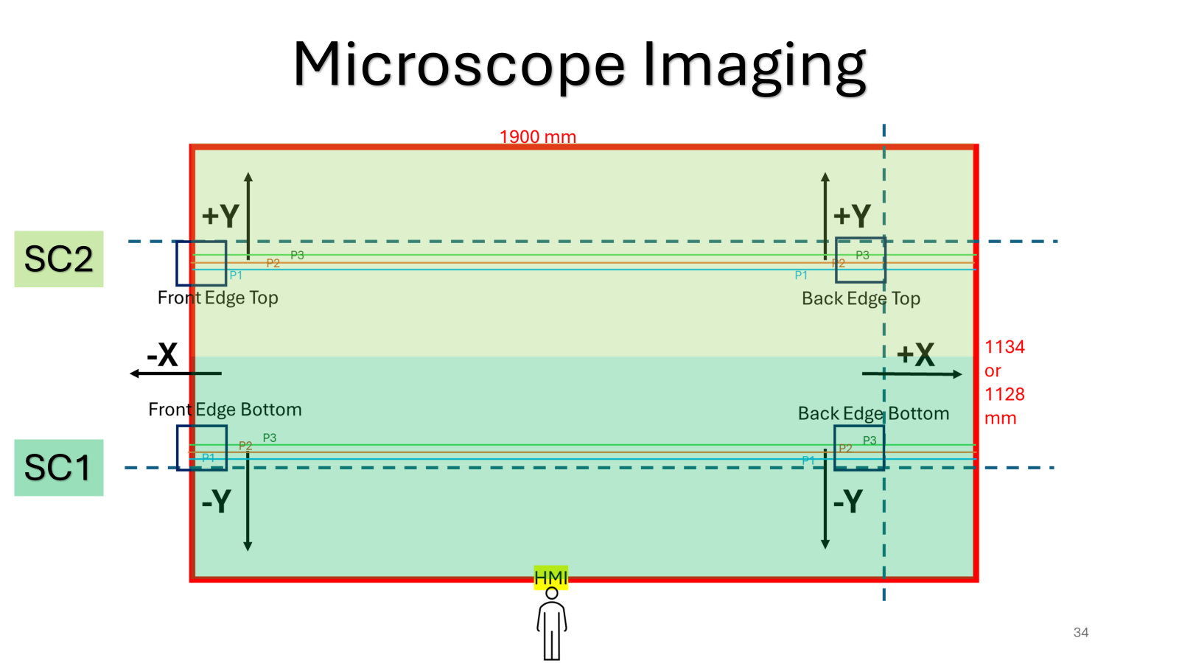
...

P4 SCRIBE - OL
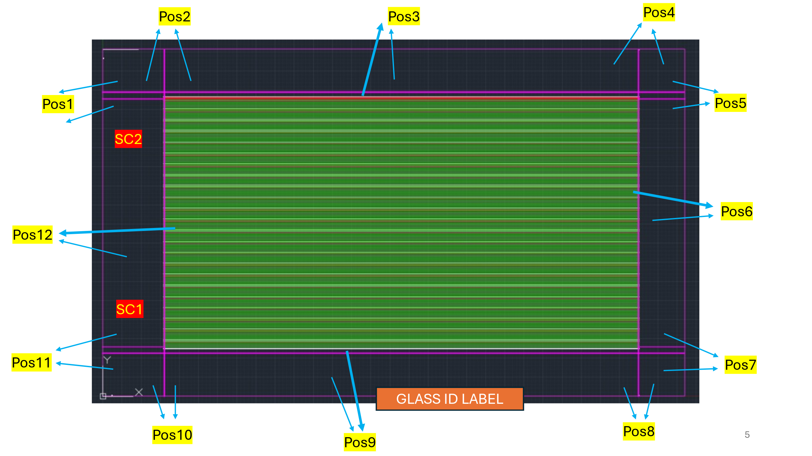
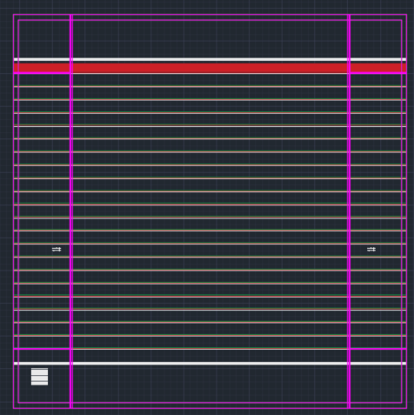
...
Units for Resistance | Ohms | Ω
 | Kilo Ohms | kΩ
 | Mega Ohms | MΩ
 | Open Load | OL

Design Type | Module Number | Position | Resistance ( Ω / kΩ /MΩ / OL) | Notes
F1M2 | 1 | 6 | OL
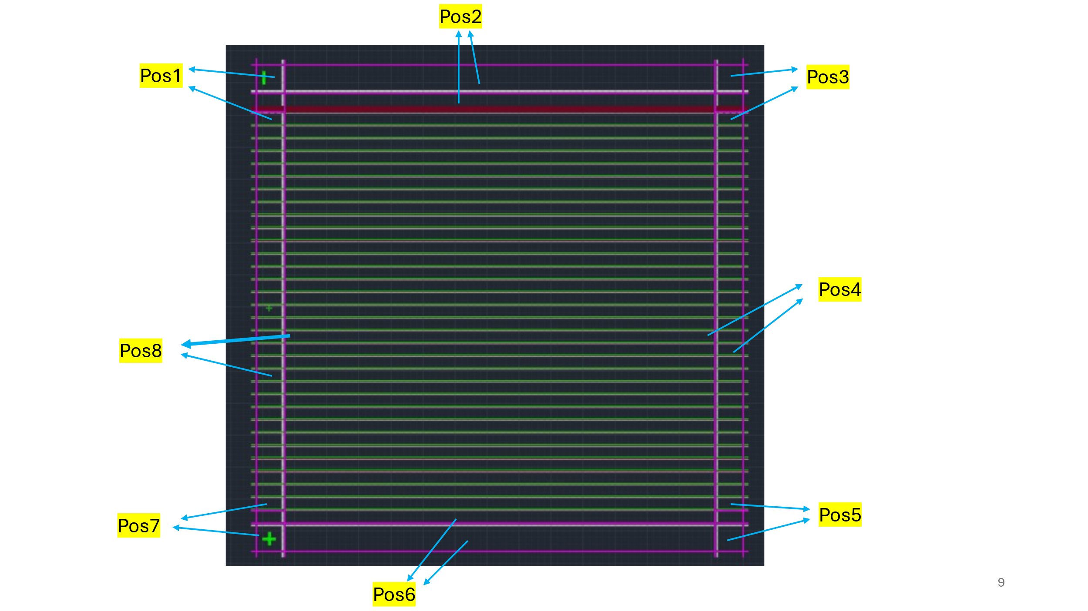
P4 | 1 | 3 | OL
P4 | 1 | 6 | OL
P4 | 1 | 9 | OL
P4 | 1 | 12 | OL

F1M2R1 | 1 | 9 | OL | Red Multimeter Used
F1M2R1 | 1 | 6 | OL | Red Multimeter Used
F1M2R1 | 1 | 3 | OL | Red Multimeter Used
F1M2R1 | 1 | 12 | OL | Red Multimeter Used

F1_R4C8 | 4 | 2 | OL | Red Multimeter Used
F1_R4C8 | 4 | 4 | OL | Red Multimeter Used
F1_R4C8 | 4 | 6 | OL | Red Multimeter Used
F1_R4C8 | 4 | 8 | OL | Red Multimeter Used

F1_R4C8 | 5 | 2 | OL | Red Multimeter Used
F1_R4C8 | 5 | 4 | OL | Red Multimeter Used
F1_R4C8 | 5 | 6 | OL | Red Multimeter Used
F1_R4C8 | 5 | 8 | OL | Red Multimeter Used

F1M2 | 5 | 3 | 64Ω | Red Multimeter Used
...

